Exportar_resultados_AP
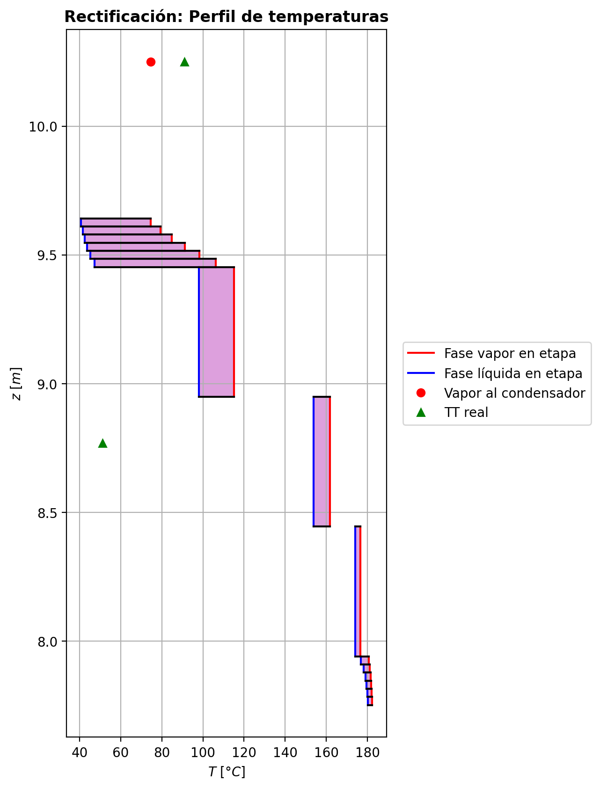
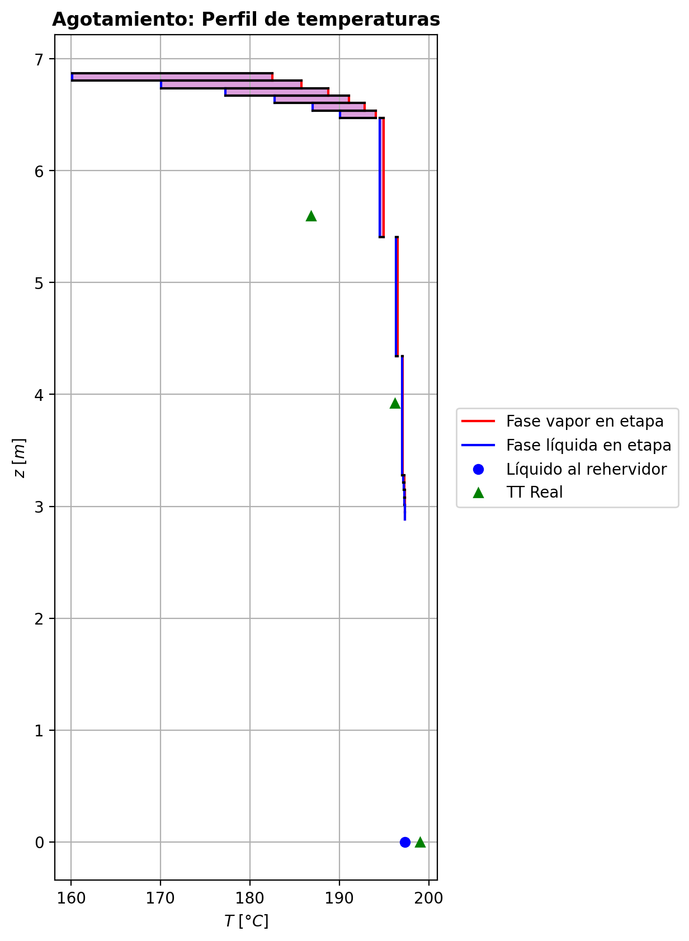
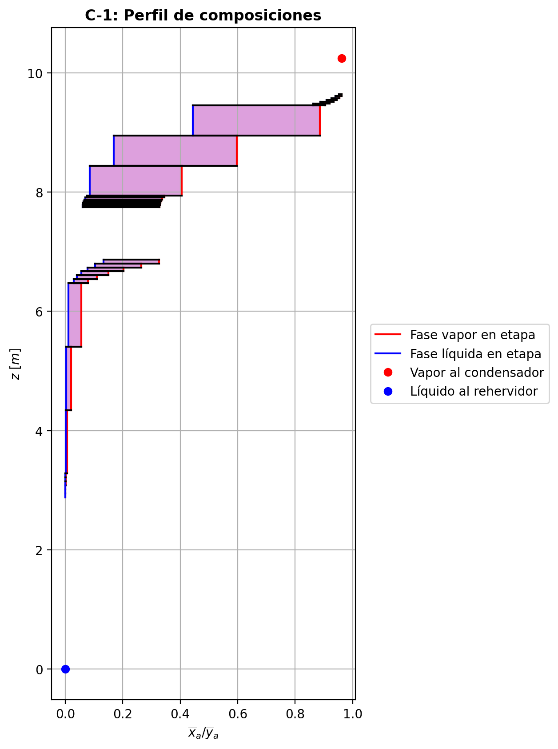
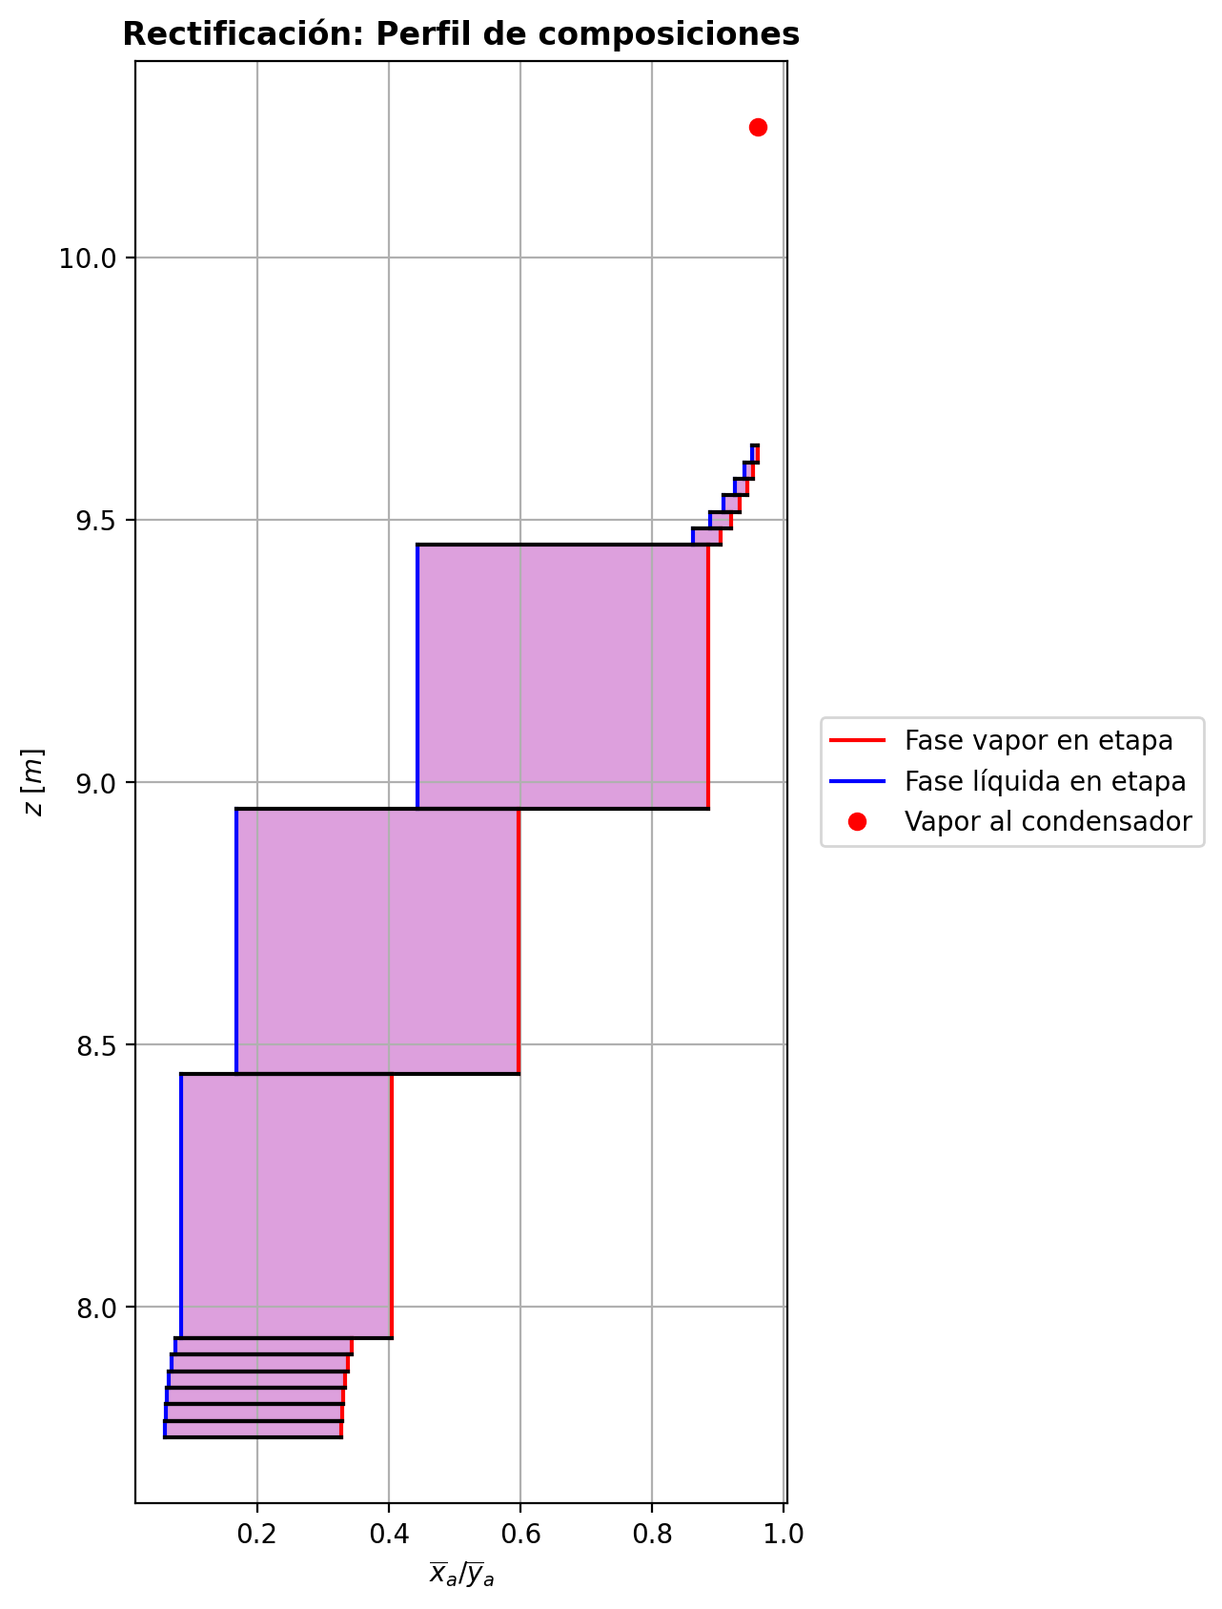
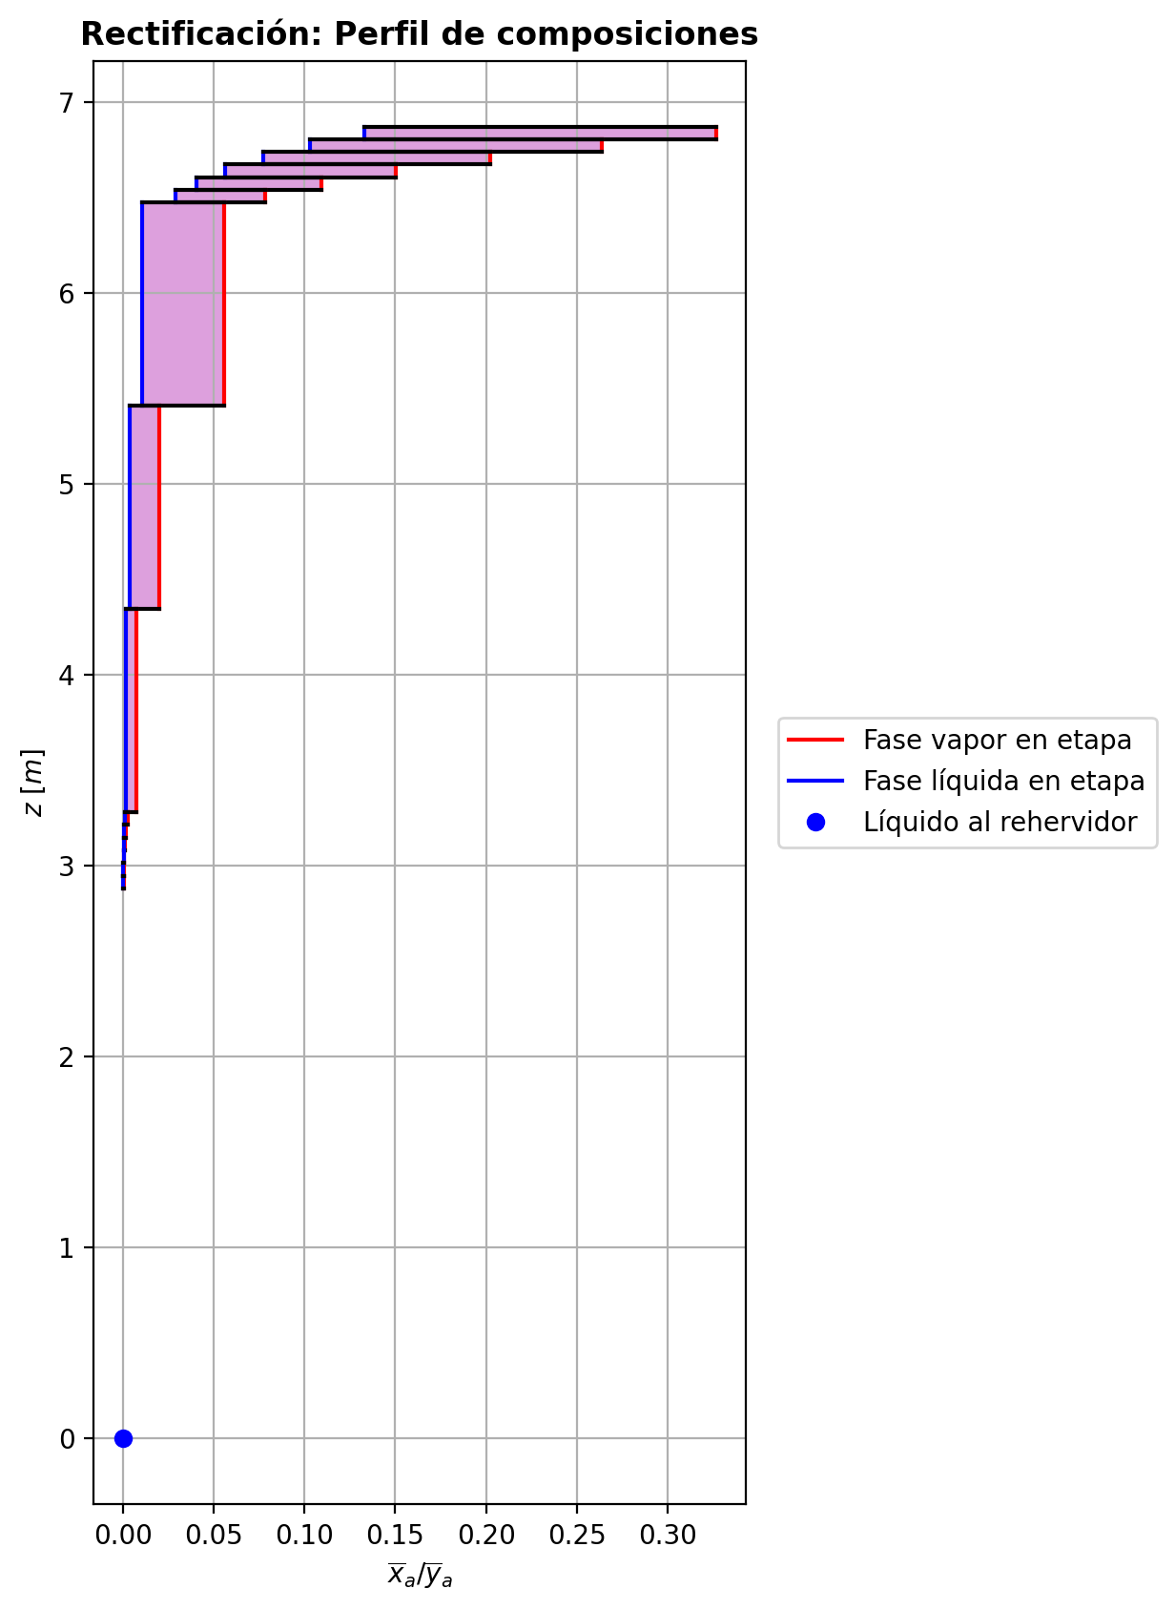
$${\left[N_{t}=N_{a}+N_{w} \right]}_{2}$$
$${\left[N_{t}=N_{a}+N_{w} \right]}_{ps1+ps2−3}$$
$$F_{fría}^{l}+F_{caliente}^{l}=P_{fría}^{l}+P_{caliente}^{l}$$
$${\left[J_{a}^{g}=Γ^{g,b}ρ^{g,b}k_{bm}^{g}a_{ef}A_{tr}Z\left(y_{a}^{b}−y_{a}^{I}\right)\right]}_{2}$$
$${\left(N_{t}\right)}_{2}=V_{3}−V_{2}=L_{2}−{\left(L_{1}−P^{l}\right)}_{E−3}$$
$${\left[J_{a}^{g}=Γ^{g,b}ρ^{g,b}k_{bm}^{g}a_{ef}A_{tr}Z\left(y_{a}^{b}−y_{a}^{I}\right)\right]}_{s}$$
$${\left[N_{t}=N_{a}+N_{w} \right]}_{s}$$
$${\left[J_{a}^{g}=Γ^{g,b}ρ^{g,b}k_{bm}^{g}a_{ef}A_{tr}Z\left(y_{a}^{b}−y_{a}^{I}\right)\right]}_{ps1+ps2−3}$$
Caso | 36 |  |  | Economizador E-1 |  |  |  |  |  |  |  |  | Condensador E-3 (s=1) |  |  |  |  |  |  |  |  | s=2 |  |  |  |  |  |  |  |  |  |  |  |  |  |  | s={3,…,ps1+ps2-4} |  |  |  |  |  |  |  |  |  |  |  |  |  |  |  | s=ps1+ps2-3 |  |  |  |  |  |  |  |  |  |  |  |  |  |  |  |  | Rehervidor E-2 (s=ps1+ps2-2)
ps1 | 17 |  | Representación y balances |  |  |  |  |  |  |  |  |  |  |  |  |  |  |  |  |  |  | Atr [m2] | 0.15904312809 |  |  |  |  |  |  |  |  |  |  |  |  |  | s |  | Atr [m2] | 0.15904312809 |  |  |  |  |  |  |  |  |  |  |  |  | Atr [m2] | 0.15904312809
ps2 | 17 |  |  | Pl [kmol/h]= | 26.6093149 | Fl [kmol/h]= | 34.0032328 | Balance de Masa Total [kmol/h] |  |  |  |  | V2 [kmol/h]= | 37.2114563 |  |  | Balance de Masa Total [kmol/h] |  |  |  |  |  | V2 [kmol/h]= | 37.2114563 |  |  | L1-Pl en E-3 [kmol/h]= | 29.81753902 |  | Balance de Masa Total [kmol/h] |  |  |  |  |  |  |  |  | Vs [kmol/h]= | #VALUE! |  |  | Ls-1 [kmol/h]= | #VALUE! |  | Balance de Masa Total [kmol/h] |  |  |  |  |  |  |  |  | Vps1+ps2-3 [kmol/h]= | 28.9579105 |  |  | Lps1+ps2-4 [kmol/h]= | 55.567226 |  | Balance de Masa Total [kmol/h] |  |  |  |  |  |  |  | Lps1+ps2-3 [kmol/h]= | 55.5680244 | Vps1+ps2-2 [kmol/h]= | 0.000664144999 |  |  | Balance de Masa Total [kmol/h]
$$V_{2}=L_{1}$$
$${\left[J_{a}^{l}=Γ^{l,b}ρ^{l,b}k_{bm}^{l}a_{ef}A_{tr}Z\left(x_{a}^{I}−x_{a}^{b}\right)\right]}_{2}$$
$${\left[J_{a}^{l}=Γ^{l,b}ρ^{l,b}k_{bm}^{l}a_{ef}A_{tr}Z\left(x_{a}^{I}−x_{a}^{b}\right)\right]}_{s}$$
$${\left(N_{t}\right)}_{s}=V_{s+1}−V_{s}=L_{s}−L_{s−1}−F_{s}^{l}$$
$${\left[J_{a}^{l}=Γ^{l,b}ρ^{l,b}k_{bm}^{l}a_{ef}A_{tr}Z\left(x_{a}^{I}−x_{a}^{b}\right)\right]}_{ps1+ps2−3}$$
$${\left(N_{t}\right)}_{ps1+ps2−3}=V_{ps1+ps2−2}−V_{ps1+ps2−3}+F_{ps1+ps2−3}^{g}=L_{ps1+ps2−3}−L_{ps1+ps2−4}−F_{ps1+ps2−3}^{l}$$
$$L_{ps1+ps2−3}=P_{ps1+ps2−2}^{g}+P_{ps1+ps2−2}^{l}+V_{ps1+ps2−2}$$
flowmode1 | MIXED |  |  | T [°C]= | 61.2881864 | T [°C]= | 20 |  |  |  |  |  | T [°C]= | 74.6039697 |  |  |  |  |  |  |  |  | T [°C]= | 74.6039697 |  |  | T [°C]= | 39.6952745 |  |  |  |  |  |  |  |  |  |  | T [°C]= | #VALUE! |  |  | T [°C]= | #VALUE! |  |  |  |  |  |  |  |  |  |  | T [°C]= | 197.34945 |  |  | T [°C]= | 197.312036 |  |  |  |  |  |  |  |  |  | T [°C]= | 197.328607 | T [°C]= | 197.323424 | Pg [kmol/h]= | 28.9580448
$${\left[Q^{g}=k_{h}^{g}a_{ef}A_{tr}Z\left(T^{g,b}−T^{I}\right)\right]}_{2}$$
$${\left[Q^{g}=k_{h}^{g}a_{ef}A_{tr}Z\left(T^{g,b}−T^{I}\right)\right]}_{s}$$
$${\left[Q^{g}=k_{h}^{g}a_{ef}A_{tr}Z\left(T^{g,b}−T^{I}\right)\right]}_{ps1+ps2−3}$$
$${f_{v}\left(L−P^{l}\right)}_{ps1+ps2−2}=P_{ps1+ps2−2}^{g}$$
flowmode2 | MIXED |  |  | P [bar]= | 14.7038089 | P [bar]= | 18.6326 |  | 60.6125477 | = | 60.6125477 |  | P [bar]= | 14.7038403 |  |  |  | 37.2114563 | = | 37.2114563 |  |  | P [bar]= | 14.7038403 |  |  | P [bar]= | 14.7038403 |  |  | -0.696505754 | = | -0.6965057 | = | -0.69650572 |  |  |  | P [bar]= | #VALUE! |  |  | P [bar]= | #VALUE! |  |  | #VALUE! | = |  | = | #VALUE! |  |  |  | P [bar]= | 14.7086172 |  |  | P [bar]= | 14.7085629 |  |  |  | 0.00079845252 | = | 0.000798444999 | = | 0.0007984 |  | P [bar]= | 14.7086172 | P [bar]= | 14.7086714 | T [°C]= | 197.353354
$${\left[Q^{l}=k_{h}^{l}a_{ef}A_{tr}Z\left(T^{I}−T^{l,b}\right)\right]}_{2}$$
$${\left[Q^{l}=k_{h}^{l}a_{ef}A_{tr}Z\left(T^{I}−T^{l,b}\right)\right]}_{s}$$
$${\left[Q^{l}=k_{h}^{l}a_{ef}A_{tr}Z\left(T^{I}−T^{l,b}\right)\right]}_{ps1+ps2−3}$$
simtype | 1 |  |  | xa molar= | 0.000128594604 | xa molar= | 0.209145562 |  |  |  |  |  | ya molar= | 0.961358254 |  |  |  |  |  |  |  | z top [m]= | ya molar= | 0.961358254 |  |  | xa molar= | 0.961358254 |  |  |  |  |  |  |  |  |  | z top [m]= | ya molar= | #VALUE! |  |  | xa molar= | #VALUE! |  |  |  |  |  |  |  |  |  | z top [m]= | ya molar= | 0.000258578762 |  |  | xa molar= | 0.000196333634 |  |  |  |  |  |  |  |  |  | xa molar= | 0.000128659117 | ya molar= | 0.000807832288 | P [bar]= | 14.7086714 |  |  | 55.5680244 | = | 55.568023845
$${\left(N_{a}\right)}_{ps1+ps2−3}={\left(Vy_{a}\right)}_{ps1+ps2−2}−{\left(Vy_{a}\right)}_{ps1+ps2−3}+{\left(F^{g}y_{a}\right)}_{ps1+ps2−3}={\left(Lx_{a}\right)}_{ps1+ps2−3}−{\left(Lx_{a}\right)}_{ps1+ps2−4}−{\left(F^{l}x_{a}\right)}_{ps1+ps2−3}$$
pborde1 | 0.1 |  |  | h [kJ/kmol]= | -283050.576 | h [kJ/kmol]= | -243616.793 | Balance de Masa Amoníaco [kmol/h] |  |  |  |  | h [kJ/kmol]= | -52781.244 |  |  | Balance de Masa Amoníaco [kmol/h] |  |  |  |  | 9.6416 | h [kJ/kmol]= | -52781.244 |  |  | h [kJ/kmol]= | -74768.3403 |  | Balance de Masa Amoníaco [kmol/h] |  |  |  |  |  |  |  | #VALUE! | h [kJ/kmol]= | #VALUE! |  |  | h [kJ/kmol]= | #VALUE! |  | Balance de Masa Amoníaco [kmol/h] |  |  |  |  |  |  |  | 2.9471 | h [kJ/kmol]= | -237400.363 |  |  | h [kJ/kmol]= | -272543.475 |  | Balance de Masa Amoníaco [kmol/h] |  |  |  |  |  |  |  | h [kJ/kmol]= | -272556.337 | h [kJ/kmol]= | -237292.426 | ya molar= | 0.000128702821 |  |  | 28.958044768 | = | 28.9580448
$${\left(F^{l}x_{a,F}\right)}_{fría}+{\left(F^{l}x_{a,F}\right)}_{caliente}={\left(P^{l}x_{a,P}\right)}_{fría}+{\left(P^{l}x_{a,P}\right)}_{caliente}$$
$${\left(Vy_{a}\right)}_{2}={\left(Lx_{a}\right)}_{1}$$
$${\left(N_{a}\right)}_{2}={\left(Vy_{a}\right)}_{3}−{\left(Vy_{a}\right)}_{2}={\left(Lx_{a}\right)}_{2}−{\left[\left(L_{1}−P^{l}\right)x_{a}\right]}_{E−3}$$
$${\left(N_{a}\right)}_{s}={\left(Vy_{a}\right)}_{s+1}−{\left(Vy_{a}\right)}_{s}={\left(Lx_{a}\right)}_{s}−{\left(Lx_{a}\right)}_{s−1}−{\left(F^{l}x_{a}\right)}_{s}$$
nborde1 | 6 |  |  |  |  |  |  |  |  |  |  |  |  |  |  |  |  |  |  |  |  |  |  |  | TI [°C]= | 41.0063531 |  |  |  |  |  |  |  |  |  |  | NO APLICA |  |  |  | TI [°C]= | #VALUE! |  |  |  |  |  |  |  |  |  |  | NO APLICA |  |  |  | TI [°C]= | 197.330273 |  |  |  |  |  |  |  |  |  |  |  |  |  |  |  | h [kJ/kmol]= | -237426.01463
$${\left(N_{a}\right)}_{2}={\left(J_{a}^{g}\right)}_{2}+{\left(N_{t}y_{a}^{b}\right)}_{2}={\left(J_{a}^{l}\right)}_{2}+{\left(N_{t}x_{a}^{b}\right)}_{2}$$
$${\left(N_{a}\right)}_{s}={\left(J_{a}^{g}\right)}_{s}+{\left(N_{t}y_{a}^{b}\right)}_{s}={\left(J_{a}^{l}\right)}_{s}+{\left(N_{t}x_{a}^{b}\right)}_{s}$$
$${\left(N_{a}\right)}_{ps1+ps2−3}={\left(J_{a}^{g}\right)}_{ps1+ps2−3}+{\left(N_{t}y_{a}^{b}\right)}_{ps1+ps2−3}={\left(J_{a}^{l}\right)}_{ps1+ps2−3}+{\left(N_{t}x_{a}^{b}\right)}_{ps1+ps2−3}$$
pborde2 | 0.1 |  |  |  |  |  |  |  | 7.1150470481 | = | 7.1150470481 |  |  |  |  |  |  | 35.773540657 | = | 35.773540657 |  |  | V2b [kmol/h]= | 37.2114563 | yaI molar= | 0.999856002 | L2b [kmol/h]= | 29.1210333 |  |  |  |  |  |  |  |  | Fl Alimentación [kmol/h]= | #VALUE! | Vsb [kmol/h]= | #VALUE! | yaI molar= | #VALUE! | Lsb [kmol/h]= | #VALUE! |  |  |  |  |  |  |  |  | Fl Alimentación [kmol/h]= | - | Vps1+ps2-3b [kmol/h]= | 28.9579105 | yaI molar= | 0.000648498588 | Lps1+ps2-3b [kmol/h]= | 55.5680244 |  |  |  |  |  |  |  |  |  |  |  |  |  |  |  | Balance de Masa Amoníaco [kmol/h]
$${\left(Lx_{a}\right)}_{ps1+ps2−3}={\left(P^{g}y_{a}\right)}_{ps1+ps2−2}+{\left(P^{l}y_{a}\right)}_{ps1+ps2−2}+{\left(Vy_{a}\right)}_{ps1+ps2−2}$$
nborde2 | 6 |  |  | Q̇ [kJ/h]= |  |  |  |  |  |  |  |  | Q̇ [kJ/h]= |  |  |  |  |  |  |  |  |  | Tg,b [°C]= | 74.6039697 | xaI molar= | 0.933369205 | Tl,b [°C]= | 40.7675777 |  |  | -0.943799574 | = | -0.94379950277 | = | -0.94379954059 |  | T [°C]= | #VALUE! | Tg,b [°C]= | #VALUE! | xaI molar= | #VALUE! | Tl,b [°C]= | #VALUE! |  |  | #VALUE! | = |  | = | #VALUE! |  | T [°C]= | - | Tg,b [°C]= | 197.34945 | xaI molar= | 0.000103228377 | Tl,b [°C]= | 197.328607 |  |  |  | -0.00376038278 | = | -0.003760382073 | = | -0.0037603824591
$$\dot{Q}={{\left(P^{l}h_{P}\right)}_{fría}−\left(F^{l}h_{F}\right)}_{fría}$$
$${\left[\left(L−P^{l}\right)x_{a}\right]}_{ps1+ps2−2}={\left(P^{g}y_{a}\right)}_{ps1+ps2−2}+{\left[\left(L−P^{l}−P^{g}\right)x_{a}\right]}_{ps1+ps2−2}$$
Molar RR | 4.03271202 |  |  | 279233.022 |  |  |  | Balance de Energía [kJ/h] |  |  |  |  | 818171.875 |  |  |  | Balance de Energía [kJ/h] |  |  |  |  |  | P [bar]= | 14.7038403 | Na [kmol/h]= | -0.943799574 | P [bar]= | 14.7038403 |  |  | -0.943799574 | = | -0.943799574 | = | -0.943799574 |  | P [bar]= | #VALUE! | P [bar]= | #VALUE! | Na [kmol/h]= | #VALUE! | P [bar]= | #VALUE! |  |  | #VALUE! | = | #VALUE! | = | #VALUE! |  | P [bar]= | - | P [bar]= | 14.7086172 | Na [kmol/h]= | -0.00376038278 | P [bar]= | 14.7086172 |  |  |  | -0.00376038278 | = | -0.00376038278 | = | -0.00376038278 |  |  |  | Lps1+ps2-2-Pl-Pg [kmol/h]= | 0.028987
$$\dot{Q}={\left(Vh\right)}_{2}−{\left(Lh\right)}_{1}$$
Molar BR | 1.08829218 |  |  |  |  |  |  |  |  |  |  |  |  |  |  |  |  |  |  |  |  |  | yab molar= | 0.961358254 | Nw [kmol/h]= | 0.24729382 | xab molar= | 0.951942104 |  |  |  |  |  |  |  |  | xa molar= | #VALUE! | yab molar= | #VALUE! | Nw [kmol/h]= | #VALUE! | xab molar= | #VALUE! |  |  |  |  |  |  |  |  | xa molar= | - | yab molar= | 0.000258578762 | Nw [kmol/h]= | 0.0045588353 | xab molar= | 0.000128659117 |  |  |  |  |  |  |  |  |  |  |  | T [°C]= | 197.353354 |  |  |  |  | 0.0071493329527 | = | 0.0071493328865
$$\dot{Q}={\left(F^{l}h_{F}\right)}_{caliente}−{\left(P^{l}h_{P}\right)}_{caliente}$$
$$E_{ps1+ps2−3}={\left(Vh\right)}_{ps1+ps2−2}−{\left(Vh\right)}_{ps1+ps2−3}+{\left(F^{g}h\right)}_{ps1+ps2−3}={\left(Lh\right)}_{ps1+ps2−3}−{\left(Lh\right)}_{ps1+ps2−4}−{\left(F^{l}h\right)}_{ps1+ps2−3}$$
Molar fv Reboiler | 0.999 |  |  |  |  |  |  |  |  |  |  |  | L1 [kmol/h]= | 37.2114563 |  |  |  | 818171.875 | = | 818171.87313 |  |  |  |  | Nt [kmol/h]= | -0.696505754 |  |  |  | Balance de Energía [kJ/h] |  |  |  |  |  |  | h [kJ/kmol]= | #VALUE! |  |  | Nt [kmol/h]= | #VALUE! |  |  |  | Balance de Energía [kJ/h] |  |  |  |  |  |  | h [kJ/kmol]= | - |  |  | Nt [kmol/h]= | 0.00079845252 |  |  |  | Balance de Energía [kJ/h] |  |  |  |  |  |  |  |  |  | P [bar]= | 14.7086714 |  |  |  |  | 0.0037275758755 | = | 0.003727575865
$$E_{2}={\left(Vh\right)}_{3}−{\left(Vh\right)}_{2}={\left(Lh\right)}_{2}−{\left[\left(L_{1}−P^{l}\right)h\right]}_{E−3}$$
$$E_{s}={\left(Vh\right)}_{s+1}−{\left(Vh\right)}_{s}={\left(Lh\right)}_{s}−{\left(Lh\right)}_{s−1}−{\left(F^{l}h\right)}_{s}$$
$$E_{ps1+ps2−3}={\left(Q^{g}\right)}_{ps1+ps2−3}+{\left(ΣN_{i}{\hat{h}}_{i}^{g,b}\right)}_{ps1+ps2−3}={\left(Q^{l}\right)}_{ps1+ps2−3}+{\left(ΣN_{i}{\hat{h}}_{i}^{l,b}\right)}_{ps1+ps2−3}$$
Mass xa Distillate | 0.959215084 |  |  | Fl=Pl en E-2 [kmol/h]= | 26.6093149 | Pl=Fl Alimentación [kmol/h]= | 34.0032328 |  | 279233.022 | = | 279233.01761 |  | T [°C]= | 39.6952745 |  |  |  |  |  |  |  |  |  |  | E [kJ/h]= | -9356.62961 |  |  |  |  |  |  |  |  |  |  |  |  |  |  | E [kJ/h]= | #VALUE! |  |  |  |  |  |  |  |  |  |  |  |  |  |  | E [kJ/h]= | -932.297913 |  |  |  |  |  |  |  |  |  |  |  |  |  | xa molar= | 2.04853399E-05
$$E_{2}={\left(Q^{g}\right)}_{2}+{\left(ΣN_{i}{\hat{h}}_{i}^{g,b}\right)}_{2}={\left(Q^{l}\right)}_{2}+{\left(ΣN_{i}{\hat{h}}_{i}^{l,b}\right)}_{2}$$
$$E_{s}={\left(Q^{g}\right)}_{s}+{\left(ΣN_{i}{\hat{h}}_{i}^{g,b}\right)}_{s}={\left(Q^{l}\right)}_{s}+{\left(ΣN_{i}{\hat{h}}_{i}^{l,b}\right)}_{s}$$
Mass xa Bottoms | 0.000121566443 |  |  | T [°C]= | 197.323424 | T [°C]= | 116.986177 |  | 279233.022 | = | 279233.01496 |  | P [bar]= | 14.7038403 |  |  | Relación |  |  |  |  | z lower [m]= | V3 [kmol/h]= | 36.5149506 |  |  | L2 [kmol/h]= | 29.1210333 |  |  |  |  |  |  |  |  |  | z lower [m]= | Vs+1 [kmol/h]= |  |  |  | Ls [kmol/h]= | #VALUE! |  |  |  |  |  |  |  |  |  | z lower [m]= | Vps1+ps2-2 [kmol/h]= | 0.000664144999 | Fg=Pg en E-2 [kmol/h]= | 28.9580448 | Lps1+ps2-3 [kmol/h]= | 55.5680244 |  |  |  |  |  |  |  |  |  |  |  | h [kJ/kmol]= | -272577.0361 |  | Q̇ [kJ/h]= | Balance de Energía [kJ/h]
$$RR=\frac{L_{1}−{\left(P^{l}\right)}_{1}}{{\left(P^{l}\right)}_{1}}$$
$${\left(Lh\right)}_{ps1+ps2−3}={\left(P^{g}h\right)}_{ps1+ps2−2}+{\left(P^{l}h\right)}_{ps1+ps2−2}+{\left(Vh\right)}_{ps1+ps2−2}−\dot{Q}$$
 |  |  |  | P [bar]= | 14.7086714 | P [bar]= | 18.6222612 |  |  |  |  |  | xa molar= | 0.961358254 |  |  |  |  |  |  |  | 9.6101 | T [°C]= | 79.420017 |  |  | T [°C]= | 40.7675777 |  |  | -9356.62961 | = | -9356.6317898 | = | -9356.6338893 |  |  | #VALUE! | T [°C]= |  |  |  | T [°C]= | #VALUE! |  |  | #VALUE! | = |  | = | #VALUE! |  |  | 2.8806 | T [°C]= | 197.323424 | T [°C]= | 197.353354 | T [°C]= | 197.328607 |  |  |  | -932.297913 | = | -932.30044783 | = | -932.31464027 |  |  |  |  |  |  | 1017317.45
$$\dot{Q}={\left(P^{g}h\right)}_{ps1+ps2−2}−{\left[\left(L−P^{l}\right)h\right]}_{ps1+ps2−2}+{\left[\left(L−P^{l}−P^{g}\right)h\right]}_{ps1+ps2−2}$$
 |  |  |  | xa molar= | 0.000128594604 | xa molar= | 0.209145562 |  |  |  |  |  | h [kJ/kmol]= | -74768.3403 |  |  |  | 4.03271202 | = | 4.0327120105 |  |  | P [bar]= | 14.7038724 |  |  | P [bar]= | 14.7038403 |  |  | -9356.62961 | = | -9356.62964 | = | -9356.62961 |  |  |  | P [bar]= |  |  |  | P [bar]= | #VALUE! |  |  | #VALUE! | = | #VALUE! | = | #VALUE! |  |  |  | P [bar]= | 14.7086714 | P [bar]= | 14.7086714 | P [bar]= | 14.7086172 |  |  |  | -932.297913 | = | -932.29791312 | = | -932.2979148
 |  |  |  | h [kJ/kmol]= | -272556.769 | h [kJ/kmol]= | -235404.838 |  |  |  |  |  |  |  |  |  |  |  |  |  |  | Z [m]= | ya molar= | 0.953848782 |  |  | xa molar= | 0.951942104 |  |  |  |  |  |  |  |  |  | Z [m]= | ya molar= |  |  |  | xa molar= | #VALUE! |  |  |  |  |  |  |  |  |  | Z [m]= | ya molar= | 0.000807832288 | ya molar= | 0.000128702821 | xa molar= | 0.000128659117 |  |  |  |  |  |  |  |  |  |  |  |  |  |  |  |  |  | -15145417.185 | = | -15145417.109
 |  |  |  |  | Caliente | Fría |  |  |  |  |  |  | L1-Pl [kmol/h]= | 29.81753902 | Pl [kmol/h]= | 7.39391728 |  |  |  |  |  | 0.0315 | h [kJ/kmol]= | -54044.2628 |  |  | h [kJ/kmol]= | -76877.9224 |  |  |  |  |  |  |  |  |  | #VALUE! | h [kJ/kmol]= |  |  |  | h [kJ/kmol]= | #VALUE! |  |  |  |  |  |  |  |  |  | 0.0665 | h [kJ/kmol]= | -237292.426 | h [kJ/kmol]= | -237426.01463 | h [kJ/kmol]= | -272556.337 |  |  |  |  |  |  |  |  |  | Pl [kmol/h]= | 26.6093149 | Lps1+ps2-2-Pl [kmol/h]= | 28.9870318 |  |  |  |  | 1017317.45 | = | 1017317.3759
 |  |  |  |  |  |  |  |  |  |  |  |  | T [°C]= | 39.6952745 | T [°C]= | 39.6952745 |  |  |  |  |  |  |  | Vapor |  |  | Líquido |  |  |  |  |  |  |  |  |  |  |  |  | Vapor |  |  | Líquido |  |  |  |  |  |  |  |  |  |  |  |  | Vapor |  |  | Líquido |  |  |  |  |  |  |  |  |  |  | T [°C]= | 197.323424 | T [°C]= | 197.323424
$$f_{v}=\frac{P_{ps1+ps2−2}^{g}}{{\left(L−P^{l}\right)}_{ps1+ps2−2}}$$
 |  |  |  |  |  |  |  |  |  |  |  |  | P [bar]= | 14.7038403 | P [bar]= | 14.7038403 |  |  |  |  |  | Transferencia de masa y calor |  |  |  |  |  |  |  |  |  |  |  |  |  |  |  | Transferencia de masa y calor |  |  |  |  |  |  |  |  |  |  |  |  |  |  |  | Transferencia de masa y calor |  |  |  |  |  |  |  |  |  |  |  |  |  |  |  | P [bar]= | 14.7086714 | P [bar]= | 14.7086714 |  |  | Relación
$$BR=\frac{P_{ps1+ps2−2}^{g}}{P_{ps1+ps2−2}^{l}}$$
 |  |  |  |  |  |  |  |  |  |  |  |  | xa molar= | 0.961358254 | xa molar= | 0.961358254 |  |  |  |  |  | Difusión |  | Convección |  | aef [m2/m3] | 510.32644779 | khg [kJ/h·m2·°C] | 95.08469076 |  |  |  |  |  |  |  |  | Difusión |  | Convección |  | aef [m2/m3] | #VALUE! | khg [kJ/h·m2·°C] | #VALUE! |  |  |  |  |  |  |  |  | Difusión |  | Convección |  | aef [m2/m3] | 426.3241703 | khg [kJ/h·m2·°C] | 66.89025216 |  |  |  |  |  |  |  |  | xa molar= | 0.000128594604 | xa molar= | 0.000128594604
 |  |  |  |  |  |  |  |  |  |  |  |  | h [kJ/kmol]= | -74768.3403 | h [kJ/kmol]= | -74768.3403 |  |  |  |  |  | Jag [kmol/h]= | -0.27420801843 | Ntyab [kmol/h]= | -0.66959155557 | kbmg [m/h] | 4.6834149525 | khl [kJ/h·m2·°C] | 4271.625036 |  |  |  |  |  |  |  |  | Jag [kmol/h]= | #VALUE! | Ntyab [kmol/h]= | #VALUE! | kbmg [m/h] | #VALUE! | khl [kJ/h·m2·°C] | #VALUE! |  |  |  |  |  |  |  |  | Jag [kmol/h]= | -0.0037605892429 | Ntyab [kmol/h]= | 2.0646286414E-07 | kbmg [m/h] | 5.1725928997 | khl [kJ/h·m2·°C] | 9899.027964 |  |  |  |  |  |  |  |  | h [kJ/kmol]= | -272556.769 | h [kJ/kmol]= | -272556.76915
 |  |  |  |  |  |  |  |  |  |  |  |  |  |  |  |  |  |  |  |  |  | Jal [kmol/h]= | -0.28076642109 | Ntxab [kmol/h]= | -0.66303315291 | kbml [m/h] | 0.16586798295 |  |  |  |  |  |  |  |  |  |  | Jal [kmol/h]= | #VALUE! | Ntxab [kmol/h]= | #VALUE! | kbml [m/h] | #VALUE! |  |  |  |  |  |  |  |  |  |  | Jal [kmol/h]= | -0.0037604855082 | Ntxab [kmol/h]= | 1.0272819619E-07 | kbml [m/h] | 0.68075536785 |  |  |  |  |  |  |  |  |  |  |  |  |  |  |  |  |  |  | 1.08829218 | = | 1.0882672068
 |  |  |  |  |  |  |  |  |  |  |  |  | Nota: En lo exportado de Aspen Plus, deben ser iguales las propiedades en la salida líquida (al ser un divisor). Se usan promedios en T, P, xa y h en L1-Pl para validarlo. |  |  |  |  |  |  |  |  | Qg [kJ/h]= | 8167.56516 | ΣNiĥig,b [kJ/h]= | -17524.1948 | Γg,b | 1.0514067996 |  |  |  |  |  |  |  |  |  |  | Qg [kJ/h]= | #VALUE! | ΣNiĥig,b [kJ/h]= | #VALUE! | Γg,b | #VALUE! |  |  |  |  |  |  |  |  |  |  | Qg [kJ/h]= | 5.78377988 | ΣNiĥig,b [kJ/h]= | -938.081693 | Γg,b | 0.99995881831 |  |  |  |  |  |  |  |  |  |  | Q̇ [kJ/h] mediante la suposición de estado cuasi-estacionario del aceite térmico= |  |  |  |  | 1069498.7298 |  |  | 0.999 | = | 0.9990000011
$$\dot{Q}={\overline{L}}_{t66}\left[{\overline{h}}_{t66}\left(TT−6\right)−{\overline{h}}_{t66}\left(TT−7\right)\right]$$
 |  |  |  |  |  |  |  |  |  |  |  |  |  |  |  |  |  |  |  |  |  | Ql [kJ/h]= | 2607.69159 | ΣNiĥil,b [kJ/h]= | -11964.3212 | Γl,b | 1.0077518581 |  |  |  |  |  |  |  |  |  |  | Ql [kJ/h]= | #VALUE! | ΣNiĥil,b [kJ/h]= | #VALUE! | Γl,b | #VALUE! |  |  |  |  |  |  |  |  |  |  | Ql [kJ/h]= | 74.3643752 | ΣNiĥil,b [kJ/h]= | -1006.66229 | Γl,b | 1.0002420991
 |  |  |  |  |  |  |  |  |  |  |  |  |  |  |  |  |  |  |  |  |  |  |  |  |  |  |  |  |  |  |  |  |  |  |  |  |  |  |  |  |  |  |  |  |  |  |  |  |  |  |  |  |  |  |  |  |  |  |  |  |  |  |  |  |  |  |  |  |  | TT-6 [°C]= | 222.0683 | FIC-1 [m3/h]= | 84.4319
Economizador |  |  |  |  |  |  |  |  |  |  |  |  |  |  |  |  |  |  |  |  |  |  |  |  |  |  |  |  |  |  |  |  |  |  |  |  |  |  |  |  |  |  |  |  |  |  |  |  |  |  |  |  |  |  |  |  |  |  |  |  |  |  |  |  |  |  |  |  |  | TT-7 [°C]= | 215.6764 | FIC-1 [kmol/h]= | 292.59528339
Ubicación | Flujos |  |  |  | Masa |  |  |  | Energía |  |  |  |  |  |  |  |  | Hidráulica
Equipo | Fl Fría [kmol/h] | Pl Fría [kmol/h] | Fl Caliente [kmol/h] | Pl Caliente [kmol/h] | xa molar en Fl Fría | xa molar en Pl Fría | xa molar en Fl Caliente | xa molar en Pl Caliente | Tl en Fl Fría [°C] | Tl en Pl Fría [°C] | Tl en Fl Caliente [°C] | Tl en Pl Caliente [°C] | Q̇ [kJ/h] | hl en Fl Fría [kJ/kmol] | hl en Pl Fría [kJ/kmol] | hl en Fl Caliente [kJ/kmol] | hl en Pl Caliente [kJ/kmol] | P en Fl Fría [bar] | P en Pl Fría [bar] | P en Fl Caliente [bar] | P en Pl Caliente [bar] |  |  |  |  |  |  |  |  |  |  |  |  |  |  |  |  |  |  |  |  |  |  |  |  |  |  |  |  |  |  |  |  |  |  |  |  |  |  |  |  |  |  |  |  |  |  |  |  | Nota: Las propiedades de Lps1+ps2-2-Pl son las de Lps1+ps2-2, las cuales deben ser iguales a las de Pl, pero por la recirculación en Aspen Plus se exportan valores muy cercanos entre sí. Se calcula h de Lps1+ps2-2-Pl mediante Aspen Custom Modeler para validar la esperada simulitud con la de Pl. Por otra parte, se esperaría que se evapore toda la entrada al Rehervidor, es decir, fv≈1 y por lo tanto, la corriente Lps1+ps2-2-Pl-Pg no existiría o tendría poco efecto en la etapa.
Economizador E-1 | 34.0032328 | 34.0032328 | 26.6093149 | 26.6093149 | 0.209145562 | 0.209145562 | 0.000128594604 | 0.000128594604 | 20 | 116.986177 | 197.323424 | 61.2881864 | 279233.022 | -243616.793 | -235404.838 | -272556.769 | -283050.576 | 18.6326 | 18.6222612 | 14.7086714 | 14.7038089

Condensador y Rehervidor
Ubicación |  |  | Flujos |  |  |  | Masa |  |  |  | Energía |  |  |  |  |  |  |  |  | Hidráulica |  |  |  |  | Retorno de líquido de E-2 al sumidero |  |  |  |  |  | Caída de presión a sumidero |  |  |  |  |  | Nota: AP no está considerando la caída de presión en el sumidero por el nivel del agua. Lo calcula mediante la altura en la última etapa; pero está presión estática si es muy similar calculada con el nivel del agua.
Equipo | s | z [m] | V [kmol/h] | L [kmol/h] | Pg [kmol/h] | Pl [kmol/h] | ya molar en V | xa molar en L | ya molar en Pg | xa molar en Pl | Tg en V [°C] | Tl en L [°C] | Tg en Pg [°C] | Tl en Pl [°C] | Q̇ [kJ/h] | hg en V [kJ/kmol] | hl en L [kJ/kmol] | hg en Pg [kJ/kmol] | hl en Pl [kJ/kmol] | P en V [bar] | P en L [bar] | P en Pg [bar] | P en Pl [bar] |  | Flujo molar [kmol/h] | xa molar | Tl [°C] | hl [kJ/kmol] | P [bar] |  | z [m] | ρl [kg/m3] | ΔP [bar] AP | P estática [bar] cal | P estática [bar] AP
$$We=\frac{ρU_{sp}^{2}}{a_{p}σ}$$
Condensador E-3 | 1 | 10.2497 | - | 37.2114563 | - | 7.39391728 | - | 0.961358254 | - | 0.961358254 | - | 39.6952745 | - | 39.6952745 | -818171.875 | - | -74768.3403 | - | -74768.3403 | - | 14.7038403 | - | 14.7038403 |  | 0.028987 | 2.04853399E-05 | 197.353354 | -272577.0361 | 14.7086714 |  | 1.44423282 | 867.667341 | 5.4199999999E-05 | 0.12288846983 | Ver AP - Nota ❤️ | → | Nota ❤️: En Tab: "C-1 Column Internals INT-1 - Column Hydraulic Results" y valor en "Pressure drop across sump"
$$d_{h}=\frac{4ε}{a_{p}}$$
$$U_{sp}^{g}=\frac{V}{ρA_{tr}}$$
$$U_{sp}^{l}=\frac{L}{ρA_{tr}}$$
$$Sc=\frac{μ}{ρD_{bm}}$$
$$Re=\frac{ρU_{sp}}{a_{p}μ}$$
$$Re=\frac{d_{h}ρU_{sp}}{μ}$$
$$We=\frac{d_{h}ρU_{sp}^{2}}{σ}$$
$$Fr=\frac{a_{p}U_{sp}^{2}}{g_{c}}$$
$$Fr=\frac{U_{sp}^{2}}{g_{c}d_{h}}$$
Rehervidor E-2 | 32 | 0 | 0.000664144999 | 55.5963467 | 28.9580448 | 26.6093149 | 0.000807832288 | 0.000128594604 | 0.000128702821 | 0.000128594604 | 197.323424 | 197.323424 | 197.353354 | 197.323424 | 1017317.45 | -237292.426 | -272556.76915 | -237426.01463 | -272556.769 | 14.7086714 | 14.7086714 | 14.7086714 | 14.7086714
 |  |  |  |  |  |  |  |  |  |  |  |  |  |  |  |  |  |  |  |  |  |  |  |  |  |  |  |  |  |  |  |  |  |  |  |  |  |  |  |  |  |  |  |  |  |  |  |  |  |  |  |  |  |  |  |  |  |  | Atr [m2] | 0.15904312809 | ε | 0.982 | ap [m2/m3] | 353 | θ [rad] | 0.7853981634 | gc [m/s2] | 9.80665 | dh [m] | 0.011127478754
Etapas |  |  |  |  |  |  |  |  |  |  |  |  |  |  |  |  |  |  |  |  |  |  |  |  |  |  |  |  |  |  |  |  |  |  |  |  |  |  |  |  |  |  |  |  |  |  |  |  |  |  |  |  | Real | Simulación T [°C] |  | Ubicación |  |  | Propiedades de bulk comprobadas en ACM
Ubicación de etapa |  |  |  | Flujos (cumplir balances de matería y energía ME) |  |  |  |  |  | Área R | Transferencia de masa RM |  |  |  |  |  |  |  |  |  |  |  |  |  |  |  |  |  |  | Transferencia de energía RE, cumplir equilibrio Q |  |  |  |  |  |  |  |  |  |  |  |  |  |  |  |  |  | Hidráulica H |  |  |  |  |  | g | l | Etapa | Posición [m] |  | Primarias |  |  |  |  |  |  |  |  |  |  |  |  |  |  | Secundarias |  |  |  |  |  |  |  |  |  |  |  |  |  | Ecs. R |  |  |  |  |  | Aproximaciones propuestas ACM |  |  |  |  |  |  |  |  | Ecs. H ACM | Transferencia de ME e interfase
Zona | s | z top [m] | z lower [m] | Fg [kmol/h] | Fl [kmol/h] | V [kmol/h] | L [kmol/h] | Vb [kmol/h] | Lb [kmol/h] | aefAtrZ [m2] | ya molar en Fg | xa molar en Fl | ya molar en V | yab molar | yaI molar | xaI molar | xab molar | xa molar en L | kbmg [m/h] | kbml [m/h] | Na [kmol/h] | Nw [kmol/h] | Nt [kmol/h] | Jag [kmol/h] | Γg,b≈1 | Ntyab [kmol/h] | Jal [kmol/h] | Γl,b | Ntxab [kmol/h] | Tg en Fg [°C] | Tl en Fl [°C] | Tg [°C] | Tg,b [°C] | TI [°C] | Tl,b [°C] | Tl [°C] | khg [kJ/h·m2·°C] | khl [kJ/h·m2·°C] | E [kJ/h] | Qg [kJ/h] | ΣNiĥig,b [kJ/h] | Ql [kJ/h] | ΣNiĥil,b [kJ/h] | hg en Fg [kJ/kmol] | hl en Fl [kJ/kmol] | hg en V [kJ/kmol] | hl en L [kJ/kmol] | P en Fg [bar] | P en Fl [bar] | P [bar] |  | TT1 [°C] | 199.0349 | - | 197.323424 | 32 | 10.2497 |  | ρg,b [kmol/m3] AP | ρl,b [kmol/m3] AP | ρg,b [kmol/m3] ACM | ρl,b [kmol/m3] ACM | Dbmg,b [m2/h] AP | Dbml,b [m2/h] AP | Dbmg,b [m2/h] ACM | Dbml,b [m2/h] ACM | Cpg,b [kJ/kmol·K] ACM | Cpl,b [kJ/kmol·K] ACM | κg,b [kJ/h·m·K] ACM | κl,b [kJ/h·m·K] ACM | μg,b [kg/h·m] ACM | μl,b [kg/h·m] ACM | σl,b [kg/h2] ACM | Uspg [m/h] ACM | Uspl [m/h] ACM | Scg AP | Scl AP | Scg ACM | Scl ACM | 4εReg AP | 4εRel AP | Reg ACM | Rel ACM | 4εWel AP | Wel ACM | Frl/(4ε) AP | Frl ACM | kbmg [m/h] ACM | kbml [m/h] ACM | khg [kJ/h·m2·°C] ACM | khl [kJ/h·m2·°C] ACM | aef [m2/m3] AP | aef [m2/m3] ACM | ug,b [kJ/kmol] | ul,b [kJ/kmol] | Γl,b | ĥag,b [kJ/kmol] | ĥwg,b [kJ/kmol] | ĥal,b [kJ/kmol] | ĥwl,b [kJ/kmol] | ΣNiĥig,b [kJ/h] | ΣNiĥil,b [kJ/h] | ΔP [bar] | Na [kmol/h] | Nt [kmol/h] | E [kJ/h] | yaI molar | xaI molar | TI [°C]
Rectificación | 2 | 9.6416 | 9.6101 | - | - | 37.2114563 | 29.1210333 | 37.2114563 | 29.1210333 | 2.55666331 | - | - | 0.961358254 | 0.961358254 | 0.999856002 | 0.933369205 | 0.951942104 | 0.951942104 | 4.6834149525 | 0.16586798295 | -0.943799574 | 0.24729382 | -0.696505754 | -0.27420801843 | 1.0514067996 | -0.66959155557 | -0.28076642109 | 1.0077518581 | -0.66303315291 | - | - | 74.6039697 | 74.6039697 | 41.0063531 | 40.7675777 | 40.7675777 | 95.08469076 | 4271.625036 | -9356.62961 | 8167.56516 | -17524.1948 | 2607.69159 | -11964.3212 | - | - | -52781.244 | -76877.9224 | - | - | 14.7038403 |  | TT2 [°C] | 196.2239 | 197.067822 | 196.998481 | 25 | 8.7696 |  | 0.565767331 | 35.3733148 | 0.56576734667 | 35.3733154 | 0.006947439012 | 2.2172764752E-05 | 0.0069474387318 | 2.2172762995E-05 | 48.707857972 | 84.210002136 | 0.12106768321 | 1.6789817689 | 0.042856983365 | 0.44267084106 | 264083.32118 | 413.54638535 | 5.1762644442 | 0.638793973 | 33.0484604 | 0.63879396734 | 33.048464498 | 1036.8957954 | 78.603485317 | 1036.8966499 | 78.603544126 | 0.00068202117749 | 0.00068202222341 | 1.8939191802E-05 | 1.8945691444E-05 | 4.6834186158 | 0.16586810051 | 95.084768137 | 4271.6283797 | 510.32644779 | 508.04711942 | -55380.164269 | -76919.490526 | 1.0196576176 | -45079.466593 | -244391.83078 | -65656.234629 | -299159.76318 | -17890.608045 | -12014.034353 | 4.0525110914E-06 | -0.91835661671 | -0.68517726241 | -7444.1479886 | 0.99985890434 | 0.93446638491 | 40.953176848
Rectificación | 3 | 9.6101 | 9.5786 | - | - | 36.5149506 | 28.2911718 | 36.5149506 | 28.2911718 | 2.55591023 | - | - | 0.953848782 | 0.953848782 | 0.999812045 | 0.917958164 | 0.94044 | 0.94044 | 4.667967032 | 0.16018952009 | -1.11538815 | 0.285526603 | -0.829861547 | -0.32382572417 | 1.0625801975 | -0.79156242583 | -0.33495315674 | 1.0212830042 | -0.78043499326 | - | - | 79.420017 | 79.420017 | 41.7710171 | 41.5864027 | 41.5864027 | 92.86382052 | 4021.08858 | -10190.6439 | 8936.04994 | -19126.6938 | 1897.3823 | -12088.0262 | - | - | -54044.2628 | -79493.179 | - | - | 14.7038724 |  | TT3 [°C] | 186.8522 | 196.518074 | 196.339632 | 24 | 5.5946 |  | 0.555731992 | 35.6308759 | 0.55573200427 | 35.630876413 | 0.007148715264 | 2.22418908E-05 | 0.0071487150176 | 2.2241889016E-05 | 48.11390085 | 84.468755305 | 0.1226699425 | 1.6124071928 | 0.043485309073 | 0.44668797561 | 269549.62025 | 413.13382127 | 4.9924057189 | 0.641007148 | 32.9825362 | 0.64100714315 | 32.982540395 | 1003.2203012 | 75.726964566 | 1003.2211288 | 75.727021136 | 0.00062650654923 | 0.00062650751238 | 1.7617662016E-05 | 1.7623708188E-05 | 4.6679707206 | 0.16018963429 | 92.863896122 | 4021.0917386 | 510.17612818 | 507.90976806 | -56690.119736 | -79534.446779 | 1.0332505251 | -44853.724614 | -243993.39705 | -65600.868996 | -298849.87106 | -19637.292896 | -12159.156583 | 3.9805583833E-06 | -1.0798693412 | -0.81400589668 | -7518.0697053 | 0.99981666084 | 0.91949264429 | 41.693403433
Rectificación | 4 | 9.5786 | 9.5471 | - | - | 35.685089 | 27.3755643 | 35.685089 | 27.3755643 | 2.55429104 | - | - | 0.944774243 | 0.944774243 | 0.999751608 | 0.89942648 | 0.926432031 | 0.926432031 | 4.6314458754 | 0.15339928543 | -1.24454996 | 0.328942476 | -0.915607484 | -0.37950759242 | 1.0710304693 | -0.86504236758 | -0.396301859 | 1.0417890539 | -0.848248101 | - | - | 84.9408069 | 84.9408069 | 42.7360219 | 42.5238985 | 42.5238985 | 88.5457368 | 3856.998636 | -14431.6185 | 9545.52296 | -23977.1415 | 2089.81848 | -16521.437 | - | - | -55586.6409 | -82679.0921 | - | - | 14.703904 |  | TT4 [°C] | 51.0726 | 161.878433 | 153.899203 | 9 | 3.9246 |  | 0.54481336 | 35.9500551 | 0.5448133713 | 35.950055663 | 0.007383178764 | 2.2313198664E-05 | 0.0073831785156 | 2.2313196868E-05 | 47.532728283 | 84.810589815 | 0.12128294238 | 1.6111138889 | 0.044364425215 | 0.4535160206 | 276378.90939 | 411.83615182 | 4.7879428052 | 0.64555051 | 33.0566485 | 0.64555050564 | 33.056652729 | 961.4955729 | 72.231183618 | 961.49636364 | 72.231237421 | 0.00056749374238 | 0.00056749461308 | 1.6204156848E-05 | 1.6209717902E-05 | 4.631449534 | 0.15339939383 | 88.54580826 | 3857.0016378 | 509.85292744 | 507.60385674 | -58285.529416 | -82719.993536 | 1.0523709782 | -44598.703307 | -243562.70972 | -65541.257919 | -298493.65457 | -24612.806378 | -16617.871885 | 3.8941826845E-06 | -1.2005713719 | -0.89730573332 | -10793.035431 | 0.99975851872 | 0.90141060599 | 42.630222811
Rectificación | 5 | 9.5471 | 9.5156 | - | - | 34.7694816 | 26.3708711 | 34.7694816 | 26.3708711 | 2.55298366 | - | - | 0.93385928 | 0.93385928 | 0.999664444 | 0.87684232 | 0.909270199 | 0.909270199 | 4.5992764713 | 0.14605449075 | -1.38335238 | 0.378659236 | -1.004693144 | -0.44511036392 | 1.0802250315 | -0.93824201608 | -0.46981484502 | 1.0692519562 | -0.91353753498 | - | - | 91.1187405 | 91.1187405 | 43.9848404 | 43.7128196 | 43.7128196 | 86.0067 | 3678.005772 | -19615.1013 | 10349.3648 | -29964.4662 | 2554.24514 | -22169.3465 | - | - | -57465.506 | -86572.8663 | - | - | 14.703935 |  | TT5 [°C] | 90.9715 | 74.6039697 | - | 1 | 0 |  | 0.533280793 | 36.3383487 | 0.53328080471 | 36.338349194 | 0.007650277128 | 2.2419394704E-05 | 0.0076502768735 | 2.2419392876E-05 | 46.992399477 | 85.276840485 | 0.12358038201 | 1.6094295914 | 0.045185119839 | 0.46169536262 | 284648.09097 | 409.9469926 | 4.5629396295 | 0.647851845 | 33.1028285 | 0.64785184111 | 33.10283275 | 920.38868366 | 68.415131618 | 920.38944181 | 68.415182401 | 0.00050634180171 | 0.00050634257853 | 1.4716955524E-05 | 1.472200615E-05 | 4.5992800999 | 0.14605459434 | 86.006769814 | 3678.008633 | 509.59196598 | 507.36045593 | -60222.765648 | -86613.330714 | 1.0781543345 | -44317.260131 | -243109.26206 | -65468.880065 | -298071.46992 | -30749.18016 | -22300.984019 | 3.790133665E-06 | -1.3296675853 | -0.98446516808 | -14658.862016 | 0.99967513771 | 0.8793950942 | 43.839497466
Rectificación | 6 | 9.5156 | 9.4841 | - | - | 33.7647884 | 25.27968 | 33.7647884 | 25.27968 | 2.55152178 | - | - | 0.920676601 | 0.920676601 | 0.999533442 | 0.849382835 | 0.888162508 | 0.888162508 | 4.5619061611 | 0.13829942106 | -1.52578327 | 0.434592106 | -1.091191164 | -0.52114909809 | 1.0899846853 | -1.0046341719 | -0.55662818907 | 1.1050131744 | -0.96915508093 | - | - | 98.1524732 | 98.1524732 | 45.6199898 | 45.2610707 | 45.2610707 | 83.27624724 | 3485.4348024 | -26186.3354 | 11162.163 | -37348.4984 | 3191.92554 | -29378.2609 | - | - | -59756.3629 | -91345.6278 | - | - | 14.7039653 |  |  |  |  |  |  |  |  | 0.52090268 | 36.8106898 | 0.5209026898 | 36.810690387 | 0.00796044906 | 2.2586698296E-05 | 0.0079604488004 | 2.2586696436E-05 | 46.484728827 | 85.901089053 | 0.12617296611 | 1.6070202547 | 0.046120992077 | 0.47132386024 | 294604.29666 | 407.56123842 | 4.3180040992 | 0.650112035 | 33.072302 | 0.65011203167 | 33.072306399 | 876.32163399 | 64.322409366 | 876.32235339 | 64.322457129 | 0.00044435017642 | 0.0004443508609 | 1.3179369374E-05 | 1.3183892395E-05 | 4.5619097603 | 0.13829951856 | 83.276314561 | 3485.4375271 | 509.30016532 | 507.08764625 | -62579.148709 | -91385.573139 | 1.1116705768 | -44000.997443 | -242622.9176 | -65378.958598 | -297561.11195 | -38306.018964 | -29563.589067 | 3.6750863715E-06 | -1.4614985184 | -1.0702423537 | -19464.333257 | 0.9995505628 | 0.85262401598 | 45.419976396
Rectificación | 7 | 9.4841 | 9.4526 | - | - | 32.6735972 | 24.1087336 | 32.6735972 | 24.1087336 | 2.549949 | - | - | 0.904726441 | 0.904726441 | 0.999325873 | 0.816057438 | 0.862103697 | 0.862103697 | 4.5192743969 | 0.1303371869 | -1.66823563 | 0.497289228 | -1.170946402 | -0.60884945912 | 1.1000705106 | -1.0593861709 | -0.65875840785 | 1.1513956464 | -1.0094772222 | - | - | 106.146457 | 106.146457 | 47.793816 | 47.312763 | 47.312763 | 80.362701 | 3281.3700192 | -34474.1398 | 11957.6693 | -46431.8091 | 4025.12777 | -38499.2675 | - | - | -62553.4823 | -97212.173 | - | - | 14.7039949 |  |  |  | Rectificación | Agotamiento |  | Simbología |  | 0.507692406 | 37.385862 | 0.50769241555 | 37.385862572 | 0.008320810644 | 2.2853857968E-05 | 0.0083208103826 | 2.2853856049E-05 | 46.017733382 | 86.704719233 | 0.1290866738 | 1.6034844832 | 0.047186636861 | 0.48243790548 | 306547.9164 | 404.65202318 | 4.0546412438 | 0.652285803 | 32.8924731 | 0.65228579963 | 32.892477524 | 829.61115816 | 60.019560326 | 829.61183818 | 60.019605051 | 0.00038299045437 | 0.00038299104693 | 1.1620729608E-05 | 1.162471774E-05 | 4.5192779523 | 0.13033727871 | 80.362765941 | 3281.3725879 | 508.98622831 | 506.7937319 | -65449.72345 | -97251.503787 | 1.1540650383 | -43645.850472 | -242102.08925 | -65267.427443 | -296925.16799 | -47583.198202 | -38776.239625 | 3.5499701342E-06 | -1.5926334446 | -1.1510535522 | -25433.758938 | 0.9993541831 | 0.82005912452 | 47.521054686
Rectificación | 8 | 9.4526 | 8.9486 | - | - | 31.5026508 | 17.5882491 | 31.5026508 | 17.5882491 | 41.1789853 | - | - | 0.885399514 | 0.885399514 | 0.961810986 | 0.416795394 | 0.444364191 | 0.444364191 | 4.4715227408 | 0.12110534152 | -12.9686402 | 6.44815578 | -6.52048442 | -7.1954064635 | 1.0358637598 | -5.7732337365 | -10.071170416 | 1.6552332503 | -2.8974697842 | - | - | 115.199873 | 115.199873 | 98.3823452 | 98.0579292 | 98.0579292 | 77.28159456 | 2215.507392 | -941362.045 | 53519.7238 | -994881.769 | 29597.2305 | -970959.275 | - | - | -65972.9061 | -186773.817 | - | - | 14.7040238 |  | Transferencia de masa | Na [kmol/h] | -27.599084486 | -8.1707286293 |  | l-v |  | 0.493699903 | 44.2551674 | 0.493699913 | 44.255167823 | 0.0087389964 | 3.824211348E-05 | 0.0087389961126 | 3.8242110189E-05 | 45.598084721 | 89.416240172 | 0.1323389482 | 1.5042380213 | 0.048396201618 | 0.52857864882 | 457554.21437 | 401.20791238 | 2.4988722641 | 0.654318932 | 17.7681219 | 0.65431892869 | 17.768124441 | 780.75518516 | 40.922021054 | 780.7558245 | 40.922051229 | 0.00011813207351 | 0.00011813225876 | 4.4138405295E-06 | 4.41535536E-06 | 4.4715262641 | 0.12110542696 | 77.281656946 | 2215.5091402 | 513.72440227 | 511.2283713 | -68951.238561 | -186807.04331 | 1.6645747196 | -43247.89096 | -241545.61316 | -65730.402259 | -283577.08085 | -996657.40433 | -976115.25588 | 4.9810729883E-05 | -12.918189896 | -6.7660490639 | -873807.35305 | 0.96197676026 | 0.41725273566 | 98.296735102
Rectificación | 9 | 8.9486 | 8.4446 | - | - | 24.9821664 | 17.366907 | 24.9821664 | 17.366907 | 39.1177767 | - | - | 0.597377796 | 0.597377796 | 0.665984743 | 0.156309736 | 0.168204375 | 0.168204375 | 4.0134083161 | 0.18656151373 | -4.89439833 | 4.67305627 | -0.22134206 | -4.762173498 | 1.0015969466 | -0.13222483196 | -4.8571676271 | 1.2094378413 | -0.037230702864 | - | - | 161.878433 | 161.878433 | 154.610879 | 153.899203 | 153.899203 | 59.66711604 | 2486.8161936 | -898410.42 | 16962.7984 | -915373.218 | 69230.8832 | -967641.303 | - | - | -120873.563 | -240885.429 | - | - | 14.7044712 |  |  | Nw [kmol/h] | 15.394278678 | 12.12278711 |  | v-l |  | 0.441424688 | 46.2649453 | 0.44142469764 | 46.264945757 | 0.0110637612 | 6.68718144E-05 | 0.01106376084 | 6.6871810235E-05 | 45.735725638 | 85.058427883 | 0.14114946741 | 1.6405551996 | 0.054704058694 | 0.47108131785 | 512443.49009 | 355.84339527 | 2.3602383474 | 0.642742121 | 8.53043342 | 0.64274211826 | 8.530434289 | 556.82123282 | 46.040293827 | 556.82169005 | 46.040328554 | 9.9894941034E-05 | 9.989509801E-05 | 3.9376784623E-06 | 3.9390298645E-06 | 4.0134114834 | 0.18656165001 | 59.667164441 | 2486.8181148 | 488.00999605 | 485.71251543 | -124204.70285 | -240917.21229 | 1.216332423 | -41230.229922 | -239041.80844 | -65945.68746 | -276261.46262 | -915258.65324 | -968220.8975 | 4.0507943043E-05 | -4.8951522335 | -0.26501659193 | -888068.96773 | 0.66605201868 | 0.15633734215 | 154.60406123
Rectificación | 10 | 8.4446 | 7.9406 | - | - | 24.7608243 | 17.5571697 | 24.7608243 | 17.5571697 | 39.1479018 | - | - | 0.405050859 | 0.405050859 | 0.426786055 | 0.0812948857 | 0.0847559257 | 0.0847559257 | 4.1395913879 | 0.20430073193 | -1.43311557 | 1.62337826 | 0.19026269 | -1.510181636 | 0.99863272932 | 0.07706606602 | -1.4492414604 | 1.1160469943 | 0.016125890417 | - | - | 176.468736 | 176.468736 | 174.271094 | 174.003192 | 174.003192 | 57.83234112 | 2764.44981 | -323746.188 | 4975.49342 | -328721.682 | 28992.9369 | -352739.125 | - | - | -158237.619 | -256714.556 | - | - | 14.7048749 |  |  | Nt [kmol/h] | -12.204805808 | 3.9520584804 |  |  |  | 0.429332597 | 46.9108429 | 0.42933260415 | 46.910843357 | 0.011847831048 | 7.61543064E-05 | 0.011847830737 | 7.6154302251E-05 | 46.138209844 | 82.940089161 | 0.13900534364 | 1.9216919905 | 0.056561058823 | 0.47474198345 | 514077.78142 | 362.62410392 | 2.3532426288 | 0.631200315 | 7.4108081 | 0.63120031166 | 7.4108087537 | 539.56906402 | 46.39840998 | 539.56950513 | 46.398445612 | 0.0001008319725 | 0.00010083213072 | 3.9143705957E-06 | 3.915713994E-06 | 4.1395946621 | 0.20430088268 | 57.83238793 | 2764.4519582 | 488.38581878 | 486.19235289 | -161662.67387 | -256745.90318 | 1.1173817485 | -40602.211104 | -238325.68079 | -64776.432334 | -274488.93396 | -328705.06809 | -352767.25425 | 4.1908226079E-05 | -1.4289643814 | 0.18821208591 | -322443.00777 | 0.42678233666 | 0.081293786977 | 174.27135425
Rectificación | 11 | 7.9406 | 7.9091 | - | - | 24.951087 | 17.6034424 | 24.951087 | 17.6034424 | 2.45147144 | - | - | 0.344525174 | 0.344525174 | 0.381457066 | 0.0705819895 | 0.0762432244 | 0.0762432244 | 4.2227928511 | 0.20722313439 | -0.145930962 | 0.192203659 | 0.046272697 | -0.16187307099 | 0.99474909441 | 0.015942108985 | -0.14945894162 | 1.1064968051 | 0.003527979621 | - | - | 180.769802 | 180.769802 | 177.263604 | 176.695106 | 176.695106 | 57.86048664 | 2807.3492712 | -39379.7687 | 497.33071 | -39877.0994 | 3912.48362 | -43292.2524 | - | - | -170006.224 | -258276.801 | - | - | 14.7052728 |  |  | Jag [kmol/h] | -16.461378518 | -9.1586286966 |  | AP - Aspen Plus |  | 0.425630637 | 46.9672883 | 0.42563064445 | 46.967288737 | 0.012083932692 | 7.74154404E-05 | 0.012083932381 | 7.7415436603E-05 | 46.276517777 | 82.75392795 | 0.13809723143 | 1.9580458213 | 0.057076511227 | 0.47423628319 | 512013.08913 | 368.5887051 | 2.3566091189 | 0.627815137 | 7.27016661 | 0.62781513368 | 7.2701671678 | 540.62780143 | 46.592072557 | 540.62824277 | 46.592108338 | 0.00010169812557 | 0.0001016982856 | 3.9255782077E-06 | 3.9269254528E-06 | 4.2227961986 | 0.20722328898 | 57.860533323 | 2807.3514635 | 489.32947367 | 487.17724301 | -173461.16152 | -258308.11153 | 1.1082488637 | -40402.431808 | -238127.48098 | -64538.810593 | -274267.16815 | -39873.007412 | -43296.942545 | 2.6903166177E-06 | -0.14583038557 | 0.046300066134 | -39364.971235 | 0.38140466164 | 0.070569709954 | 177.26697704
Rectificación | 12 | 7.9091 | 7.8776 | - | - | 24.9973597 | 17.6170683 | 24.9973597 | 17.6170683 | 2.45360216 | - | - | 0.338049567 | 0.338049567 | 0.362592362 | 0.0663374827 | 0.0702977171 | 0.0702977171 | 4.2358743429 | 0.20809191887 | -0.103703527 | 0.11732939 | 0.013625863 | -0.10830974409 | 0.99845859332 | 0.0046062170872 | -0.10466139406 | 1.1003573164 | 0.00095786706242 | - | - | 181.196247 | 181.196247 | 178.459298 | 178.153875 | 178.153875 | 57.92488776 | 2829.866886 | -23361.5891 | 388.98778 | -23750.5768 | 2120.66594 | -25482.255 | - | - | -171266.882 | -259403.115 | - | - | 14.7052976 |  |  | Ntyab [kmol/h] | -11.137705967 | 0.98790006726 |  | ACM - Aspen Custom Modeler |  | 0.425271459 | 47.0405648 | 0.42527146752 | 47.040565258 | 0.012107482056 | 7.801153056E-05 | 0.012107481715 | 7.8011526584E-05 | 46.29690912 | 82.585658569 | 0.13798374019 | 1.9848898244 | 0.057126154331 | 0.47523428127 | 511562.47139 | 369.58414726 | 2.354759443 | 0.627442331 | 7.21618052 | 0.62744232729 | 7.2161810981 | 541.35495672 | 46.545402025 | 541.35540045 | 46.545437905 | 0.00010181976002 | 0.00010181992014 | 3.9194183299E-06 | 3.9207634728E-06 | 4.2358776956 | 0.20809207359 | 57.92493482 | 2829.869096 | 489.7547791 | 487.60113677 | -174724.74343 | -259434.37651 | 1.1020168756 | -40381.578399 | -238108.32225 | -64424.205045 | -274146.08501 | -23749.392098 | -25484.375638 | 2.7015475043E-06 | -0.10343392582 | 0.013459001715 | -23269.109937 | 0.36258868036 | 0.066336657134 | 178.45953544
Rectificación | 13 | 7.8776 | 7.8461 | - | - | 25.0109855 | 17.6208016 | 25.0109855 | 17.6208016 | 2.45491728 | - | - | 0.33371908 | 0.33371908 | 0.350015427 | 0.063571311 | 0.0662621856 | 0.0662621856 | 4.2422232997 | 0.20840069591 | -0.0708468581 | 0.074580155 | 0.0037332969 | -0.072092730507 | 0.9995782194 | 0.0012458724068 | -0.071094234512 | 1.0964634768 | 0.00024737641209 | - | - | 181.531201 | 181.531201 | 179.241442 | 179.054108 | 179.054108 | 57.92626224 | 2843.493498 | -14572.1377 | 325.613279 | -14897.751 | 1307.695 | -15879.8327 | - | - | -172107.63 | -260175.141 | - | - | 14.7053224 |  |  | Jal [kmol/h] | -19.50086372 | -8.563435549 |  |  |  | 0.424965857 | 47.0988958 | 0.42496586682 | 47.098896241 | 0.012125990916 | 7.835290992E-05 | 0.012125990534 | 7.8352906075E-05 | 46.305082709 | 82.462888848 | 0.13792686168 | 2.0037803168 | 0.057166095475 | 0.47621520622 | 511456.89064 | 370.05152328 | 2.3523415114 | 0.62722221 | 7.18906154 | 0.62722220601 | 7.1890620883 | 541.40213593 | 46.469657222 | 541.40257817 | 46.469692963 | 0.00010178029737 | 0.00010178045791 | 3.9113733198E-06 | 3.9127157119E-06 | 4.2422266243 | 0.20840085169 | 57.926308943 | 2843.4957222 | 490.01728551 | 487.86313605 | -175567.98367 | -260206.36336 | 1.0977376524 | -40365.58148 | -238093.06319 | -64357.004987 | -274071.26646 | -14897.242934 | -15880.785933 | 2.7064422352E-06 | -0.070608962557 | 0.0036215388225 | -14499.391944 | 0.35001802482 | 0.0635718812 | 179.24128807
Rectificación | 14 | 7.8461 | 7.8146 | - | - | 25.0147188 | 17.6203534 | 25.0147188 | 17.6203534 | 2.45579801 | - | - | 0.330837068 | 0.330837068 | 0.341589165 | 0.0617451655 | 0.0635530056 | 0.0635530056 | 4.2461515916 | 0.20851835902 | -0.0477664038 | 0.0473182554 | -0.0004481484 | -0.047618139697 | 1.0000506647 | -0.00014826410268 | -0.047737922622 | 1.09388455 | -2.8481177775E-05 | - | - | 181.811915 | 181.811915 | 179.758979 | 179.637979 | 179.637979 | 57.9129534 | 2852.0628516 | -9046.30973 | 291.973746 | -9338.28348 | 847.493661 | -9893.80339 | - | - | -172664.486 | -260695.159 | - | - | 14.7053471 |  |  | Ntxab [kmol/h] | -8.0982207656 | 0.39270691975 |  |  |  | 0.42468714 | 47.1405962 | 0.42468714795 | 47.140596597 | 0.012141510264 | 7.856658864E-05 | 0.012141509921 | 7.8566584357E-05 | 46.303882854 | 82.378412371 | 0.13791127553 | 2.0167675378 | 0.057200578675 | 0.47695139796 | 511426.04309 | 370.34965774 | 2.35020086 | 0.62710909 | 7.17317483 | 0.62710908635 | 7.1731754166 | 541.24335046 | 46.403645218 | 541.24379296 | 46.403680759 | 0.00010170633784 | 0.00010170649727 | 3.9042578157E-06 | 3.905597741E-06 | 4.2461549475 | 0.20851851328 | 57.913000327 | 2852.0650729 | 490.19308489 | 488.03872515 | -176127.11692 | -260726.35417 | 1.094819 | -40352.639615 | -238080.0396 | -64314.14588 | -274022.77307 | -9338.0316413 | -9894.2240995 | 2.7093275673E-06 | -0.047585584698 | -0.00050568882674 | -8997.8666744 | 0.34159184676 | 0.061745745823 | 179.75882133
Rectificación | 15 | 7.8146 | 7.7831 | - | - | 25.0142707 | 17.6174432 | 25.0142707 | 17.6174432 | 2.45640475 | - | - | 0.328933429 | 0.328933429 | 0.335953094 | 0.0605354821 | 0.0617435773 | 0.0617435773 | 4.2489464522 | 0.20855002811 | -0.0320624564 | 0.0291522104 | -0.002910246 | -0.031105179204 | 1.0003285434 | -0.00095727719601 | -0.031882767401 | 1.0921569516 | -0.00017968899886 | - | - | 182.063827 | 182.063827 | 180.102319 | 180.022792 | 180.022792 | 57.8952414 | 2857.3665156 | -5367.9011 | 278.954233 | -5646.85534 | 558.186982 | -5926.08809 | - | - | -173029.225 | -261042.916 | - | - | 14.7053719 |  | Transferencia de energía | E [kJ/h] | -2372352.0721 | -2539131.7215 |  |  |  | 0.424416709 | 47.1693201 | 0.42441671789 | 47.169320515 | 0.012155443704 | 7.870495788E-05 | 0.012155443322 | 7.8704953963E-05 | 46.295349488 | 82.321437336 | 0.13792668787 | 2.0255797954 | 0.057232478125 | 0.47746617679 | 511413.1749 | 370.57899885 | 2.3483817714 | 0.627072474 | 7.16321623 | 0.62707247003 | 7.1632167797 | 540.98931098 | 46.350559084 | 540.98975427 | 46.350594707 | 0.00010162347197 | 0.00010162363177 | 3.8982162169E-06 | 3.8995541054E-06 | 4.2489497993 | 0.20855018413 | 57.895288128 | 2857.3687497 | 490.31419409 | 488.15976484 | -176494.06845 | -261074.09213 | 1.0928437651 | -40341.487233 | -238068.12748 | -64286.02831 | -273990.84177 | -5646.7649663 | -5926.2706872 | 2.7113922476E-06 | -0.031931992964 | -0.0029322503973 | -5337.984891 | 0.33595516761 | 0.060535926733 | 180.10219918
Rectificación | 16 | 7.7831 | 7.7516 | - | - | 25.0113604 | 17.6127332 | 25.0113604 | 17.6127332 | 2.45682947 | - | - | 0.327689787 | 0.327689787 | 0.332194947 | 0.0597339996 | 0.0605387442 | 0.0605387442 | 4.2511233302 | 0.20853275577 | -0.0215112145 | 0.0168012289 | -0.0047099856 | -0.019967800322 | 1.000531674 | -0.001543414178 | -0.021226077887 | 1.0909970721 | -0.00028513661342 | - | - | 182.304723 | 182.304723 | 180.330032 | 180.277492 | 180.277492 | 57.87511632 | 2860.4582424 | -2851.2443 | 280.779837 | -3132.02413 | 369.235454 | -3220.47975 | - | - | -173263.977 | -261274.609 | - | - | 14.7053966 |  |  | Qg [kJ/h] | 137639.99037 | 20032.857144 |  |  |  | 0.424141186 | 47.1887857 | 0.42414119334 | 47.188786105 | 0.012168774468 | 7.8795648E-05 | 0.012168774139 | 7.8795644212E-05 | 46.280883701 | 82.283323398 | 0.13796631132 | 2.0315097542 | 0.057263802912 | 0.47781703316 | 511406.12391 | 370.77658585 | 2.3467854754 | 0.627092073 | 7.15680282 | 0.62709207018 | 7.1568033798 | 540.66789453 | 46.307201427 | 540.66833526 | 46.307237006 | 0.00010153535239 | 0.00010153551213 | 3.8929184572E-06 | 3.8942545182E-06 | 4.2511266904 | 0.20853291187 | 57.875163192 | 2860.4604791 | 490.39897094 | 488.24455812 | -176731.0767 | -261305.77265 | 1.091515707 | -40331.226414 | -238056.54481 | -64267.438882 | -273969.72266 | -3132.0688381 | -3220.557359 | 2.7130575697E-06 | -0.021419248147 | -0.0047084359801 | -2834.6949273 | 0.3321964951 | 0.059734329505 | 180.32994487
Agotamiento | 17 | 6.8706 | 6.8041 | - | 34.0032328 | 25.0066505 | 53.6706297 | 25.0066505 | 53.6706297 | 4.34828279 | - | 0.209145562 | 0.326891287 | 0.326891287 | 0.577137069 | 0.123759757 | 0.133128981 | 0.133128981 | 4.2529550506 | 0.58518438925 | -1.03276188 | 3.08742557 | 2.05466369 | -1.704413538 | 0.86893435812 | 0.67165165798 | -1.3062971633 | 1.1750685019 | 0.27353528335 | - | 116.986177 | 182.547449 | 182.547449 | 162.860901 | 160.141161 | 160.141161 | 57.85276068 | 7909.279956 | -689311.553 | 4952.35118 | -694263.904 | 93536.699 | -782848.252 | - | -235404.838 | -173410.631 | -247725.75 | - | 18.6222612 | 14.7054213 |  |  | ΣNiĥig,b [kJ/h] | -2509992.0629 | -2559164.5802 |  |  |  | 0.423850467 | 46.6299193 | 0.42385047282 | 46.629919758 | 0.012182214132 | 6.95090916E-05 | 0.012182213828 | 6.9509087073E-05 | 46.26138373 | 84.057269206 | 0.13802587924 | 1.7445682051 | 0.057296018468 | 0.47790632222 | 519568.45866 | 370.96103382 | 7.2369815176 | 0.627154672 | 8.24455691 | 0.62715466914 | 8.2445577397 | 540.28614792 | 140.52220615 | 540.28659053 | 140.52231271 | 0.00093541012555 | 0.00093541159626 | 3.7020600051E-05 | 3.7033305357E-05 | 4.2529584451 | 0.58518496688 | 57.852807453 | 7909.2879713 | 411.13194838 | 409.19401167 | -176880.11429 | -247757.28681 | 1.1724058733 | -40321.208873 | -238044.72599 | -65814.121904 | -275662.67431 | -693303.16635 | -783117.67309 | 7.5981293179E-06 | -1.1760424218 | 2.2784242475 | -770054.81413 | 0.57311041161 | 0.12244398026 | 163.20319668
Agotamiento | 18 | 6.8041 | 6.7376 | - | - | 27.0613141 | 54.2747088 | 27.0613141 | 54.2747088 | 4.40039865 | - | - | 0.263907893 | 0.263907893 | 0.4692117 | 0.0920762057 | 0.103114984 | 0.103114984 | 4.6483054197 | 0.62692186466 | -1.54858052 | 2.15265964 | 0.60407912 | -1.7080017678 | 0.96496637789 | 0.15942124776 | -1.6108701288 | 1.1330355284 | 0.062289608794 | - | - | 185.752706 | 185.752706 | 171.305554 | 170.096313 | 170.096313 | 62.21219832 | 8385.567156 | -446156.091 | 3955.03012 | -450111.121 | 44620.8135 | -490776.905 | - | - | -185716.426 | -253188.886 | - | - | 14.7054748 |  |  | Ql [kJ/h] | 153303.00208 | 260679.84959 |  |  |  | 0.421495025 | 46.6864175 | 0.42149503202 | 46.686417947 | 0.012360618504 | 7.4594313E-05 | 0.012360618177 | 7.4594309014E-05 | 46.627508098 | 83.49489039 | 0.13651934814 | 1.8482428254 | 0.057637143395 | 0.47083784052 | 513363.12993 | 403.68430335 | 7.3095794216 | 0.623073421 | 7.54725097 | 0.62307341765 | 7.547251611 | 583.2555337 | 144.47553311 | 583.25600951 | 144.47564395 | 0.00096857449666 | 0.00096857602122 | 3.7767070774E-05 | 3.7780032542E-05 | 4.6483091037 | 0.62692238427 | 62.212248591 | 8385.5744009 | 416.05952465 | 414.10329887 | -189205.31115 | -253220.38508 | 1.1357271118 | -40138.056038 | -237910.00501 | -65027.638929 | -274821.80919 | -449982.25405 | -490897.28193 | 8.7234290003E-06 | -1.5792839861 | 0.6572963907 | -464799.45308 | 0.46816987631 | 0.091801757291 | 171.38052746
Agotamiento | 19 | 6.7376 | 6.6711 | - | - | 27.6653933 | 54.6254487 | 27.6653933 | 54.6254487 | 4.42292769 | - | - | 0.202170046 | 0.202170046 | 0.368654746 | 0.0676890798 | 0.0771684553 | 0.0771684553 | 4.7980400683 | 0.64773155905 | -1.38117417 | 1.73191408 | 0.35073991 | -1.4520832737 | 0.98028968725 | 0.070909103739 | -1.4082402271 | 1.1055761576 | 0.027066057067 | - | - | 188.758312 | 188.758312 | 178.078746 | 177.245055 | 177.245055 | 63.2803842 | 8730.062784 | -353644.479 | 2989.04566 | -356633.525 | 32190.8231 | -385835.302 | - | - | -197788.139 | -258037.195 | - | - | 14.7055287 |  |  | ΣNiĥil,b [kJ/h] | -2525655.0736 | -2799811.573 |  |  |  | 0.419265427 | 46.9033063 | 0.41926543474 | 46.9033067 | 0.012529095768 | 7.782240564E-05 | 0.01252909541 | 7.7822401419E-05 | 47.163374851 | 82.848841809 | 0.13495240157 | 1.9534089182 | 0.05793570331 | 0.47185294049 | 510099.455 | 414.89025094 | 7.3227970259 | 0.619045331 | 7.20598365 | 0.61904532723 | 7.2059842592 | 595.23365939 | 145.30330765 | 595.23414688 | 145.3034189 | 0.00098424667066 | 0.00098424821508 | 3.7903779786E-05 | 3.7916788154E-05 | 4.7980438879 | 0.6477320654 | 63.280435811 | 8730.0699488 | 418.18965476 | 416.2457039 | -201295.5904 | -258068.54835 | 1.1087608764 | -39925.430201 | -237790.53747 | -64456.363241 | -274224.69351 | -356688.80701 | -385908.14377 | 9.1255428426E-06 | -1.3936695322 | 0.37682886462 | -362398.77243 | 0.3681419862 | 0.067574327089 | 178.11110198
Agotamiento | 20 | 6.6711 | 6.6046 | - | - | 28.0161332 | 54.8914615 | 28.0161332 | 54.8914615 | 4.44148704 | - | - | 0.150339791 | 0.150339791 | 0.279550673 | 0.0489075128 | 0.0564575448 | 0.0564575448 | 4.8970951341 | 0.66071154252 | -1.1163243 | 1.38233706 | 0.26601276 | -1.1563166027 | 0.98535502047 | 0.039992302742 | -1.1313427273 | 1.0831093336 | 0.015018427315 | - | - | 191.113466 | 191.113466 | 183.419274 | 182.794805 | 182.794805 | 63.90858852 | 9013.98672 | -281961.979 | 2183.98979 | -284145.969 | 25000.9395 | -306962.919 | - | - | -207934.875 | -261923.424 | - | - | 14.7055827 |  |  |  |  |  |  |  |  | 0.417559142 | 47.1446923 | 0.41755915011 | 47.144692759 | 0.012661905132 | 8.014900392E-05 | 0.012661904801 | 8.0148999831E-05 | 47.849389673 | 82.302008229 | 0.13354661387 | 2.0503785015 | 0.058149836693 | 0.47448047204 | 507024.55278 | 421.86707272 | 7.3207811686 | 0.61556518 | 6.9917948 | 0.61556517577 | 6.9917953472 | 602.28071922 | 145.36740907 | 602.2812133 | 145.36752085 | 0.00099589483257 | 0.00099589639779 | 3.7882913697E-05 | 3.789591517E-05 | 4.8970990369 | 0.66071204851 | 63.908640759 | 9013.9939482 | 419.94444903 | 418.01370113 | -211456.67146 | -261954.61716 | 1.0862859541 | -39704.314029 | -237701.77154 | -63989.014452 | -273766.97322 | -284261.07746 | -307005.74113 | 9.3773555581E-06 | -1.1227696228 | 0.28279637461 | -287357.80665 | 0.2792385115 | 0.048845401051 | 183.4370609
Agotamiento | 21 | 6.6046 | 6.5381 | - | - | 28.2821459 | 55.0934737 | 28.2821459 | 55.0934737 | 4.4578792 | - | - | 0.109454751 | 0.109454751 | 0.206051447 | 0.0348688406 | 0.0406448032 | 0.0406448032 | 4.9733882741 | 0.66884321131 | -0.859773722 | 1.06178594 | 0.202012218 | -0.88188491902 | 0.98905739399 | 0.02211119702 | -0.86798446884 | 1.0639350511 | 0.0082107468446 | - | - | 192.862019 | 192.862019 | 187.448362 | 186.989968 | 186.989968 | 64.4792922 | 9243.52524 | -216698.242 | 1556.10638 | -218254.349 | 18888.8229 | -235587.065 | - | - | -215948.717 | -264896.308 | - | - | 14.7056367 |  | Hidráulica | ΔP [bar] en C-1 | 0.0048311 |  |  |  |  | 0.416339377 | 47.3717955 | 0.41633938478 | 47.371795905 | 0.012760951428 | 8.18055E-05 | 0.012760951084 | 8.180549601E-05 | 48.637349288 | 81.875832725 | 0.13238116634 | 2.1340995772 | 0.05829492674 | 0.47737533634 | 504273.50689 | 427.1203887 | 7.3124977807 | 0.612724603 | 6.85302828 | 0.6127245991 | 6.8530287748 | 607.85271684 | 145.14335163 | 607.85321287 | 145.14346389 | 0.0010047462035 | 0.0010047477815 | 3.7797233961E-05 | 3.7810206019E-05 | 4.9733922308 | 0.66884371472 | 64.479344797 | 9243.5325554 | 421.49433458 | 419.57405986 | -219480.84484 | -264927.35192 | 1.0669218999 | -39482.741115 | -237637.72169 | -63627.746984 | -273423.41243 | -218374.16842 | -235611.67014 | 9.5663545208E-06 | -0.86276888533 | 0.21210983126 | -219820.86391 | 0.2058779378 | 0.03483594692 | 187.45756112
Agotamiento | 22 | 6.5381 | 6.4716 | - | - | 28.4841582 | 55.2415464 | 28.4841582 | 55.2415464 | 4.47141783 | - | - | 0.0784942105 | 0.0784942105 | 0.148847439 | 0.0246407312 | 0.0289360087 | 0.0289360087 | 5.0310739335 | 0.67375722592 | -0.640793507 | 0.788866251 | 0.148072744 | -0.65241636014 | 0.9920795284 | 0.011622853137 | -0.64507814121 | 1.0480103777 | 0.0042846342086 | - | - | 194.11192 | 194.11192 | 190.384146 | 190.056637 | 190.056637 | 65.00650572 | 9422.357256 | -161081.97 | 1083.55659 | -162165.527 | 13798.4118 | -174880.382 | - | - | -222024.866 | -267102.221 | - | - | 14.7056908 |  |  |  |  |  |  |  |  | 0.415516591 | 47.5671165 | 0.41551659852 | 47.56711689 | 0.012831975936 | 8.295396192E-05 | 0.012831975605 | 8.2953958266E-05 | 49.463097951 | 81.555909732 | 0.13146279982 | 2.2026231387 | 0.058389344685 | 0.48004222108 | 502057.57364 | 431.0230075 | 7.3020438948 | 0.610489278 | 6.76366197 | 0.61048927372 | 6.7636624095 | 612.245085 | 144.81776482 | 612.24558709 | 144.81787696 | 0.0010110947314 | 0.001011096319 | 3.7689242108E-05 | 3.7702176981E-05 | 5.0310779604 | 0.67375773482 | 65.006559086 | 9422.3646593 | 422.77441769 | 420.86198851 | -225564.00023 | -267133.13763 | 1.0506317751 | -39270.918484 | -237591.91597 | -63363.74831 | -273173.27217 | -162263.69444 | -174894.09659 | 9.7063340377E-06 | -0.64172680818 | 0.15391590233 | -162759.73329 | 0.1487569548 | 0.024624623467 | 190.38868603
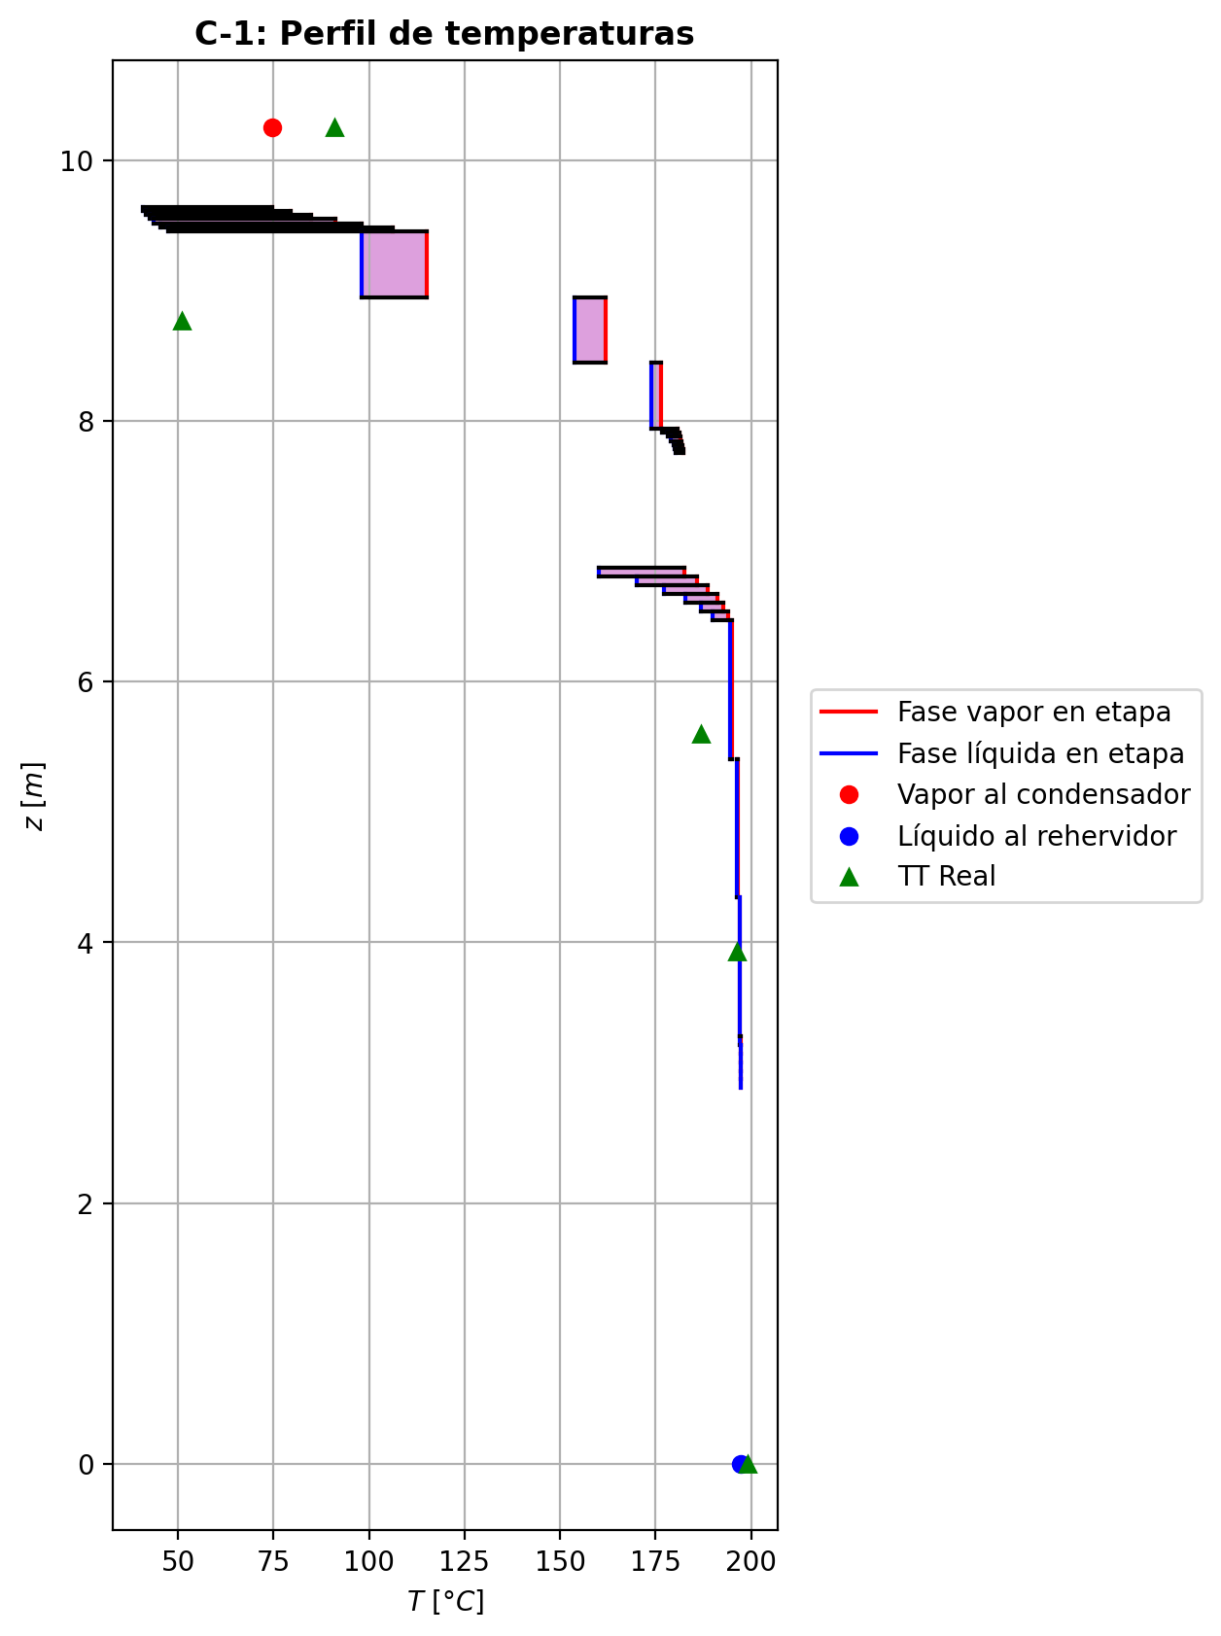
Agotamiento | 23 | 6.4716 | 5.4076 | - | - | 28.6322309 | 55.4213965 | 28.6322309 | 55.4213965 | 71.8459331 | - | - | 0.0557081282 | 0.0557081282 | 0.0624973412 | 0.0100766252 | 0.0105045531 | 0.0105045531 | 5.0730750932 | 0.67714730828 | -1.01629285 | 1.19614297 | 0.17985012 | -1.0263119635 | 0.99940551448 | 0.010019113542 | -1.0181820951 | 1.0200547172 | 0.0018892451356 | - | - | 194.975031 | 194.975031 | 194.530706 | 194.50208 | 194.50208 | 65.47177944 | 9705.799584 | -242329.954 | 2090.04873 | -244420.003 | 19961.5377 | -262291.492 | - | - | -226502.552 | -270607.936 | - | - | 14.7057449 |  |  |  |  |  |  |  |  | 0.414996788 | 47.9452998 | 0.41499679477 | 47.945300178 | 0.012881122308 | 8.443591884E-05 | 0.012881122014 | 8.4435914818E-05 | 50.262955642 | 81.017982946 | 0.13076201595 | 2.3248007864 | 0.058448087151 | 0.48588760309 | 499149.75225 | 433.80633124 | 7.268032551 | 0.608772892 | 6.66608661 | 0.60877288829 | 6.6660870798 | 615.57830724 | 143.68621565 | 615.57881166 | 143.68632651 | 0.0010165683522 | 0.0010165699417 | 3.7338963086E-05 | 3.7351777729E-05 | 5.0730791346 | 0.67714781564 | 65.471833167 | 9705.8071666 | 424.56643067 | 422.64962022 | -230046.13225 | -270638.60842 | 1.020404041 | -39078.839237 | -237559.54023 | -63001.58634 | -272811.90008 | -244439.6291 | -262293.97467 | 0.00015673561148 | -1.0122046801 | 0.17987115981 | -241552.7089 | 0.062496934758 | 0.010076556901 | 194.5307317
Agotamiento | 24 | 5.4076 | 4.3436 | - | - | 28.812081 | 55.5161135 | 28.812081 | 55.5161135 | 72.0260815 | - | - | 0.0200872389 | 0.0200872389 | 0.0225408863 | 0.003601835 | 0.00375949367 | 0.00375949367 | 5.1322053036 | 0.67955263908 | -0.373464528 | 0.468181543 | 0.094717015 | -0.37536713131 | 0.99969058114 | 0.0019026033082 | -0.37382061602 | 1.0074591965 | 0.00035608801833 | - | - | 196.518074 | 196.518074 | 196.351276 | 196.339632 | 196.339632 | 66.2280786 | 9829.873728 | -95941.5379 | 795.654523 | -96737.1924 | 8244.10873 | -104185.647 | - | - | -233499.389 | -271874.422 | - | - | 14.7066114 |  |  |  |  |  |  |  |  | 0.41398507 | 48.0844921 | 0.41398507701 | 48.084492523 | 0.012968540784 | 8.50789512E-05 | 0.012968540434 | 8.5078947585E-05 | 51.874057137 | 80.841329033 | 0.12972714785 | 2.3740515316 | 0.058561898598 | 0.48771246971 | 497350.8548 | 437.59805356 | 7.2593788016 | 0.606143503 | 6.61888636 | 0.60614349807 | 6.6188867704 | 619.44855778 | 143.44612961 | 619.44906804 | 143.44624094 | 0.0010211485848 | 0.0010211501883 | 3.7250100051E-05 | 3.726288421E-05 | 5.1322093908 | 0.67955315169 | 66.228133277 | 9829.8814431 | 425.63099981 | 423.73053202 | -237051.83883 | -271905.00703 | 1.0075944162 | -38689.010625 | -237492.80856 | -62843.546387 | -272663.2379 | -96740.776473 | -104186.06005 | 0.00015894425027 | -0.37188952604 | 0.09457847065 | -95602.711209 | 0.022540771994 | 0.0036018165001 | 196.35128718
Agotamiento | 25 | 4.3436 | 3.2796 | - | - | 28.906798 | 55.5495981 | 28.906798 | 55.5495981 | 72.1034493 | - | - | 0.00710181212 | 0.00710181212 | 0.00798017144 | 0.00127178684 | 0.00132878211 | 0.00132878211 | 5.1587267826 | 0.68033159576 | -0.13489917 | 0.168383692 | 0.033484522 | -0.13513697078 | 0.99989130195 | 0.00023780078417 | -0.13494366363 | 1.002672115 | 4.4493633796E-05 | - | - | 197.067822 | 197.067822 | 197.002632 | 196.998481 | 196.998481 | 66.64498128 | 9875.667312 | -34476.7939 | 313.255517 | -34790.0494 | 2956.23029 | -37433.0242 | - | - | -236053.292 | -272331.188 | - | - | 14.7074785 |  |  |  |  |  |  |  |  | 0.413666743 | 48.1368938 | 0.41366674974 | 48.136894151 | 0.012999262716 | 8.530469964E-05 | 0.012999262428 | 8.5304696196E-05 | 52.647291487 | 80.777485121 | 0.12934295911 | 2.3925304818 | 0.058600127616 | 0.48840755887 | 496691.20482 | 439.37446594 | 7.2558500065 | 0.605141369 | 6.60270466 | 0.60514136445 | 6.6027050699 | 621.52082132 | 143.34742408 | 621.52132844 | 143.34753554 | 0.0010227600429 | 0.0010227616478 | 3.7213894094E-05 | 3.7226665925E-05 | 5.1587308982 | 0.68033211225 | 66.645036521 | 9875.6751164 | 426.08819716 | 424.19320907 | -239608.68545 | -272361.74227 | 1.0027229683 | -38509.642091 | -237466.24491 | -62787.448532 | -272609.99728 | -34790.524288 | -37433.103124 | 0.00015998633236 | -0.13431082102 | 0.033476207091 | -34359.661606 | 0.0079801582185 | 0.0012717847269 | 197.00263915
Agotamiento | 26 | 3.2796 | 3.2131 | - | - | 28.9402825 | 55.5585882 | 28.9402825 | 55.5585882 | 4.50774761 | - | - | 0.00243230147 | 0.00243230147 | 0.00479999214 | 0.000764573296 | 0.000918569083 | 0.000918569083 | 5.1681323135 | 0.68063298455 | -0.0227789113 | 0.0317690793 | 0.008990168 | -0.022800778099 | 0.99953356096 | 2.1866798842E-05 | -0.02278716939 | 1.0017599671 | 8.2580903758E-06 | - | - | 197.2779 | 197.2779 | 197.146154 | 197.132642 | 197.132642 | 66.80338704 | 9884.752272 | -6628.18294 | 39.6729244 | -6667.85587 | 602.070315 | -7230.25326 | - | - | -236971.482 | -272406.422 | - | - | 14.708346 |  |  |  |  |  |  |  |  | 0.413555793 | 48.1443453 | 0.41355580089 | 48.144345692 | 0.013010537628 | 8.535644388E-05 | 0.013010537271 | 8.5356440094E-05 | 52.949942318 | 80.768849639 | 0.12920899165 | 2.3956364846 | 0.058615399873 | 0.48847096432 | 496513.41054 | 440.0014321 | 7.2559010812 | 0.604782358 | 6.59838923 | 0.60478235369 | 6.5983896862 | 622.23748099 | 143.35522823 | 622.23798831 | 143.35533923 | 0.001023322014 | 0.0010233236156 | 3.7214418024E-05 | 3.7227190012E-05 | 5.1681364189 | 0.68063349828 | 66.803442396 | 9884.7600526 | 426.20941351 | 424.31689908 | -240528.03845 | -272436.97312 | 1.0018867789 | -38439.242604 | -237455.54954 | -62774.96997 | -272599.16062 | -6668.1400859 | -7230.2788779 | 1.0022907413E-05 | -0.022686067665 | 0.008976397827 | -6606.9010668 | 0.0047997599586 | 0.00076453626694 | 197.14617089
Agotamiento | 27 | 3.2131 | 3.1466 | - | - | 28.9492727 | 55.5622159 | 28.9492727 | 55.5622159 | 4.50824797 | - | - | 0.00164469013 | 0.00164469013 | 0.00329540787 | 0.00052478473 | 0.000632294805 | 0.000632294805 | 5.1702337413 | 0.68069065546 | -0.0159027017 | 0.0195303607 | 0.003627659 | -0.015908668075 | 0.99981197617 | 5.9663749523E-06 | -0.01590499545 | 1.0012031324 | 2.29374994E-06 | - | - | 197.304168 | 197.304168 | 197.212804 | 197.205473 | 197.205473 | 66.84052608 | 9890.008092 | -3998.80225 | 27.5310426 | -4026.3333 | 326.832247 | -4325.6345 | - | - | -237126.849 | -272460.606 | - | - | 14.7084002 |  |  |  |  |  |  |  |  | 0.413546828 | 48.1509212 | 0.41354683473 | 48.150921581 | 0.013011995664 | 8.537997564E-05 | 0.013011995381 | 8.5379971869E-05 | 53.007879453 | 80.760893776 | 0.12918315272 | 2.3978579856 | 0.058616692877 | 0.48856567042 | 496448.31483 | 440.14765973 | 7.2553838649 | 0.604715 | 6.59684531 | 0.604714996 | 6.5968457613 | 622.44384633 | 143.33904094 | 622.44435372 | 143.33915209 | 0.0010234660773 | 0.00102346768 | 3.720911278E-05 | 3.7221882932E-05 | 5.1702378662 | 0.68069116646 | 66.840581673 | 9890.0158736 | 426.25672276 | 424.36433468 | -240683.49589 | -272491.15343 | 1.0013009851 | -38426.676737 | -237454.18769 | -62769.013329 | -272593.27777 | -4026.4779579 | -4325.6481443 | 1.0028211166E-05 | -0.015834645907 | 0.0036249403325 | -3984.880851 | 0.003295364983 | 0.00052477789567 | 197.21281151
Agotamiento | 28 | 3.1466 | 3.0801 | - | - | 28.9529004 | 55.5645125 | 28.9529004 | 55.5645125 | 4.50853574 | - | - | 0.00109522303 | 0.00109522303 | 0.00224613177 | 0.000357630158 | 0.000432631846 | 0.000432631846 | 5.1712200424 | 0.68071687496 | -0.0110927235 | 0.0133892929 | 0.0022965694 | -0.011095238756 | 0.99988106183 | 2.5152556969E-06 | -0.011093717069 | 1.0008220204 | 9.9356905899E-07 | - | - | 197.322367 | 197.322367 | 197.259294 | 197.254375 | 197.254375 | 66.86052012 | 9893.581488 | -2734.08937 | 19.0129085 | -2753.10228 | 219.445328 | -2953.5347 | - | - | -237235.252 | -272498.551 | - | - | 14.7084545 |  |  |  |  |  |  |  |  | 0.413541298 | 48.1556403 | 0.41354130754 | 48.155640701 | 0.013012991208 | 8.539522992E-05 | 0.013012990816 | 8.5395226291E-05 | 53.048769993 | 80.755168855 | 0.12916508684 | 2.399415137 | 0.058617575596 | 0.48863640723 | 496408.22453 | 440.20869919 | 7.2549727208 | 0.604667769 | 6.59590345 | 0.60466776346 | 6.5959038586 | 622.53116577 | 143.32577844 | 622.53167738 | 143.32588993 | 0.0010235442013 | 0.0010235458098 | 3.7204895621E-05 | 3.7217664513E-05 | 5.1712241487 | 0.68071739054 | 66.860575826 | 9893.5892956 | 426.28393153 | 424.39167862 | -240791.9598 | -272529.09496 | 1.0008912363 | -38417.830078 | -237453.24051 | -62765.111372 | -272589.32802 | -2753.1726208 | -2953.5423284 | 1.0030410667E-05 | -0.011044628585 | 0.0022964161575 | -2724.6373576 | 0.0022461153145 | 0.00035762753633 | 197.25930145
Agotamiento | 29 | 3.0801 | 3.0136 | - | - | 28.9551969 | 55.566104 | 28.9551969 | 55.566104 | 4.50873094 | - | - | 0.000712036651 | 0.000712036651 | 0.00151440976 | 0.000241097106 | 0.00029340525 | 0.00029340525 | 5.1718587368 | 0.68073410759 | -0.00773559146 | 0.00932710442 | 0.00159151296 | -0.0077367246756 | 0.99991765708 | 1.1332155581E-06 | -0.0077360584183 | 1.0005565484 | 4.6695825791E-07 | - | - | 197.334942 | 197.334942 | 197.291748 | 197.288332 | 197.288332 | 66.87404136 | 9896.070276 | -1904.55091 | 13.0237775 | -1917.57469 | 152.383865 | -2056.93478 | - | - | -237310.861 | -272525.021 | - | - | 14.7085087 |  |  |  |  |  |  |  |  | 0.413538136 | 48.1589446 | 0.41353814449 | 48.158945081 | 0.013013664228 | 8.54057736E-05 | 0.013013663896 | 8.5405769696E-05 | 53.077574573 | 80.751163609 | 0.12915245295 | 2.4005029644 | 0.058618174139 | 0.48868613219 | 496380.63677 | 440.24698319 | 7.2546827132 | 0.604634628 | 6.59525751 | 0.60463462327 | 6.5952579695 | 622.58723011 | 143.31639091 | 622.58773919 | 143.31650164 | 0.0010235972843 | 0.0010235988862 | 3.7201921334E-05 | 3.7214689123E-05 | 5.1718628511 | 0.68073462013 | 66.874096815 | 9896.0780811 | 426.30238778 | 424.41023249 | -240867.60867 | -272555.56359 | 1.0006049317 | -38411.616448 | -237452.58538 | -62762.410502 | -272586.58551 | -1917.6084864 | -2056.9391799 | 1.0031796394E-05 | -0.0077018093453 | 0.0015939915492 | -1898.5089557 | 0.0015144019427 | 0.00024109586163 | 197.29175423
Agotamiento | 30 | 3.0136 | 2.9471 | - | - | 28.9567885 | 55.567226 | 28.9567885 | 55.567226 | 4.50886664 | - | - | 0.000444854969 | 0.000444854969 | 0.00100420701 | 0.000159859035 | 0.000196333634 | 0.000196333634 | 5.1722946983 | 0.68074637365 | -0.00539367156 | 0.00651569113 | 0.00112201957 | -0.005394170696 | 0.99994201832 | 4.9913598103E-07 | -0.0053938918502 | 1.0003713407 | 2.202901796E-07 | - | - | 197.343581 | 197.343581 | 197.314419 | 197.312036 | 197.312036 | 66.88353204 | 9897.810048 | -1331.19832 | 8.79422141 | -1339.99254 | 106.366944 | -1437.56527 | - | - | -237363.59 | -272543.475 | - | - | 14.7085629 |  |  |  |  |  |  |  |  | 0.413536634 | 48.1612489 | 0.41353664106 | 48.16124926 | 0.0130141116 | 8.541313776E-05 | 0.013014111299 | 8.541313426E-05 | 53.097867914 | 80.748373678 | 0.12914360493 | 2.4012621765 | 0.05861857314 | 0.48872075974 | 496361.30191 | 440.27278316 | 7.2544821081 | 0.604611325 | 6.59480567 | 0.60461132032 | 6.5948060727 | 622.62630586 | 143.30988968 | 622.62681657 | 143.31000124 | 0.001023634946 | 0.0010236365536 | 3.7199864053E-05 | 3.7212631044E-05 | 5.1722988361 | 0.68074689275 | 66.883587668 | 9897.8178651 | 426.31521827 | 424.42313284 | -240920.36386 | -272574.01586 | 1.0004050299 | -38407.256824 | -237452.13617 | -62760.524153 | -272584.67115 | -1340.0086486 | -1437.5678698 | 1.0032739717E-05 | -0.0053700037142 | 0.0011248420777 | -1327.2144684 | 0.0010042031074 | 0.00015985841424 | 197.31442531
Agotamiento | 31 | 2.9471 | 2.8806 | 28.9580448 | - | 28.9579105 | 55.5680244 | 28.9579105 | 55.5680244 | 4.50896132 | 0.000128702821 | - | 0.000258578762 | 0.000258578762 | 0.000648498588 | 0.000103228377 | 0.000128659117 | 0.000128659117 | 5.1725928997 | 0.68075536785 | -0.00376038278 | 0.0045588353 | 0.00079845252 | -0.0037605892429 | 0.99995881831 | 2.0646286414E-07 | -0.0037604855082 | 1.0002420991 | 1.0272819619E-07 | 197.353354 | - | 197.34945 | 197.34945 | 197.330273 | 197.328607 | 197.328607 | 66.89025216 | 9899.027964 | -932.297913 | 5.78377988 | -938.081693 | 74.3643752 | -1006.66229 | -237426.01463 | - | -237400.363 | -272556.337 | 14.7086714 | - | 14.7086172 |  |  |  |  |  |  |  |  | 0.413536319 | 48.1628533 | 0.41353632789 | 48.162853755 | 0.013014400176 | 8.5418298E-05 | 0.013014399785 | 8.5418294171E-05 | 53.112197755 | 80.746432779 | 0.12913738894 | 2.4017917648 | 0.05861882973 | 0.48874480423 | 496347.68354 | 440.29017602 | 7.2543446628 | 0.604594871 | 6.5944876 | 0.60459486637 | 6.5944880429 | 622.65404539 | 143.30542904 | 622.65455613 | 143.30554001 | 0.0010236621395 | 0.0010236637392 | 3.719845443E-05 | 3.7211220977E-05 | 5.1725970118 | 0.68075588129 | 66.890308072 | 9899.0357465 | 426.3241703 | 424.43213221 | -240957.15279 | -272586.87644 | 1.0002655278 | -38404.197772 | -237451.83266 | -62759.20308 | -272583.33289 | -938.08931279 | -1006.6638936 | 1.0033385957E-05 | -0.0037438270528 | 0.00080342856624 | -930.21928779 | 0.00064849660169 | 0.00010322806105 | 197.33027967

Exportar_resultados_ACM
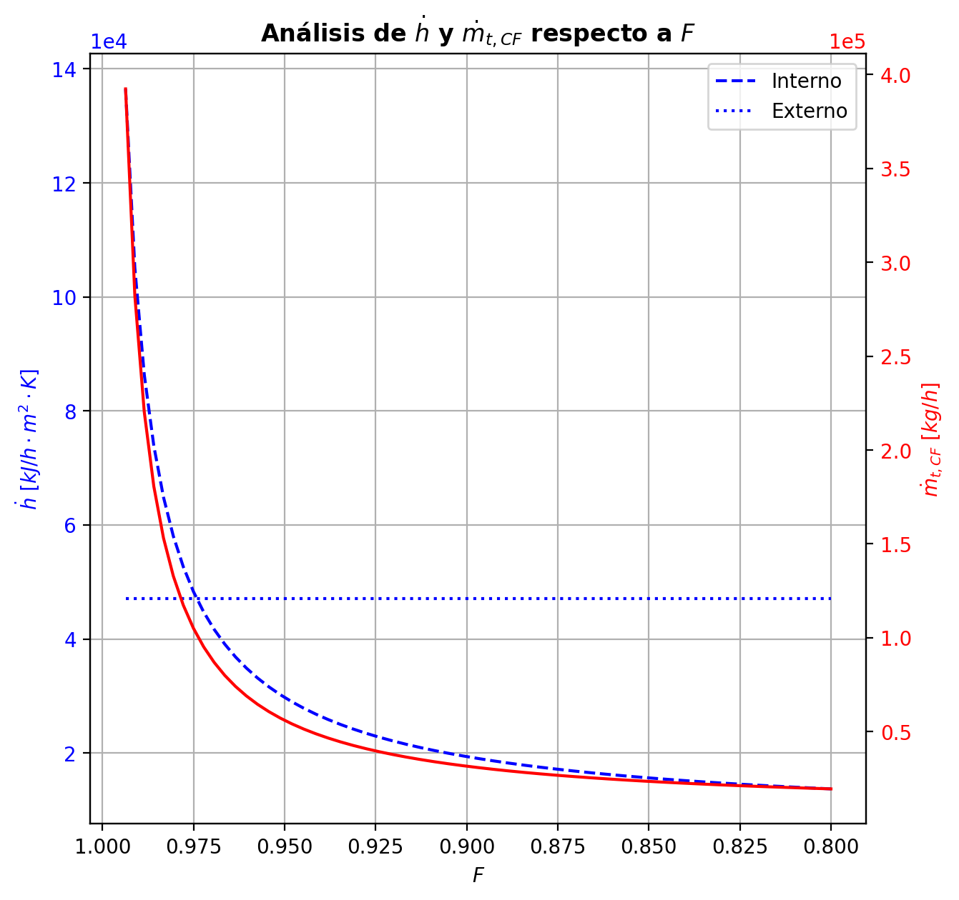
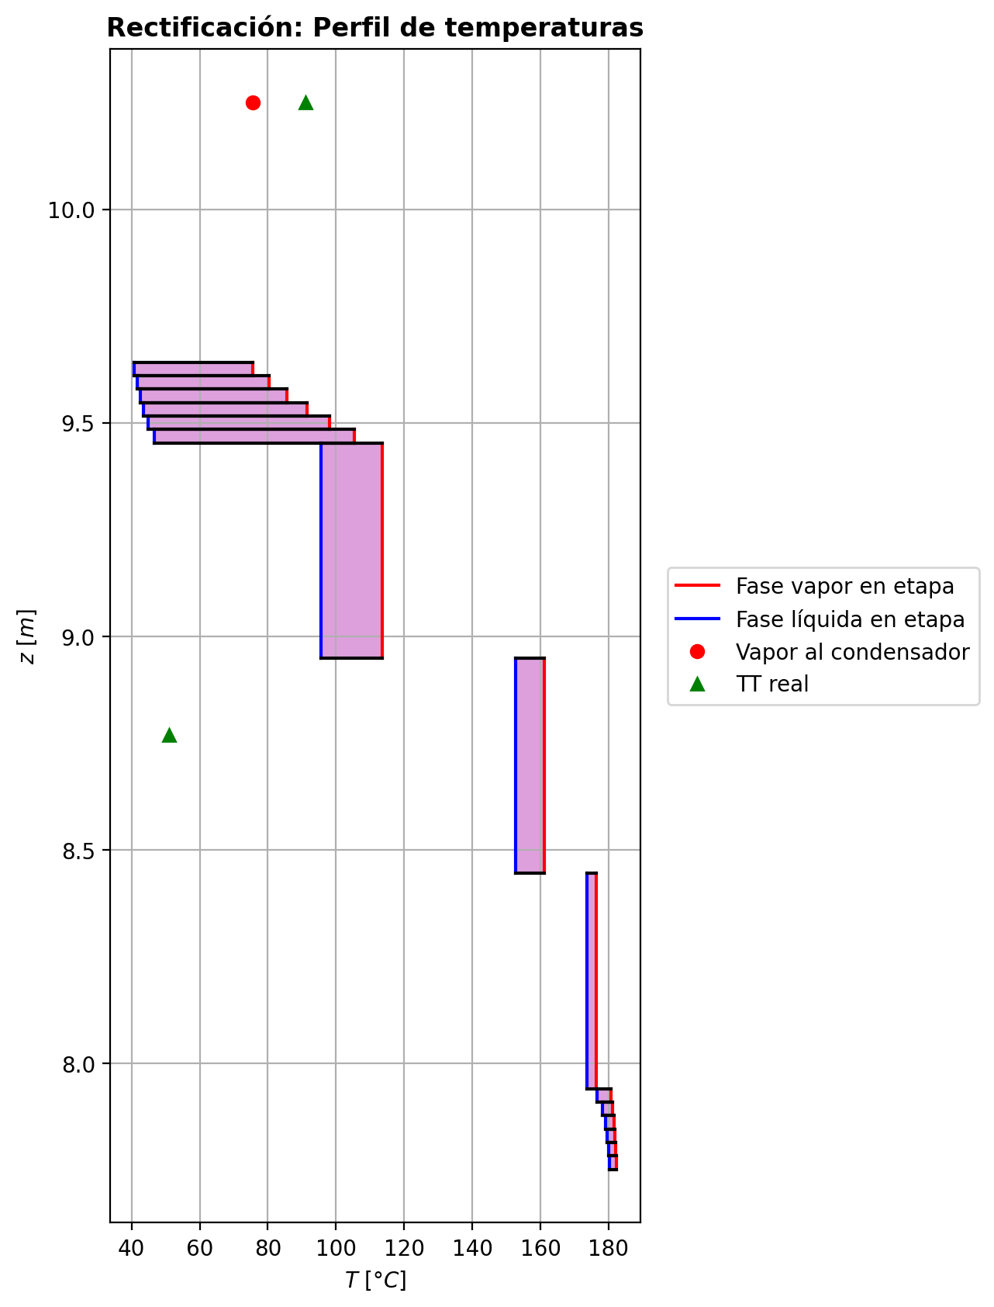
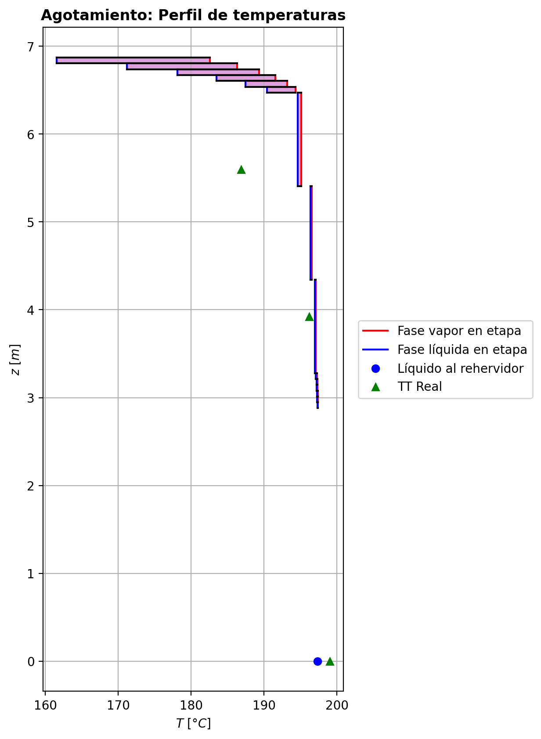



$${\left[N_{t}=N_{a}+N_{w} \right]}_{2}$$
$${\left[N_{t}=N_{a}+N_{w} \right]}_{ps1+ps2−3}$$
$$F_{fría}^{l}+F_{caliente}^{l}=P_{fría}^{l}+P_{caliente}^{l}$$
$${\left[J_{a}^{g}=Γ^{g,b}ρ^{g,b}k_{bm}^{g}a_{ef}A_{tr}Z\left(y_{a}^{b}−y_{a}^{I}\right)\right]}_{2}$$
$${\left(N_{t}\right)}_{2}=V_{3}−V_{2}=L_{2}−{\left(L_{1}−P^{l}\right)}_{E−3}$$
$${\left[J_{a}^{g}=Γ^{g,b}ρ^{g,b}k_{bm}^{g}a_{ef}A_{tr}Z\left(y_{a}^{b}−y_{a}^{I}\right)\right]}_{s}$$
$${\left[N_{t}=N_{a}+N_{w} \right]}_{s}$$
$${\left[J_{a}^{g}=Γ^{g,b}ρ^{g,b}k_{bm}^{g}a_{ef}A_{tr}Z\left(y_{a}^{b}−y_{a}^{I}\right)\right]}_{ps1+ps2−3}$$
Caso | 36 |  |  | Economizador E-1 |  |  |  |  |  |  |  |  | Condensador E-3 (s=1) |  |  |  |  |  |  |  |  | s=2 |  |  |  |  |  |  |  |  |  |  |  |  |  |  | s={3,…,ps1+ps2-4} |  |  |  |  |  |  |  |  |  |  |  |  |  |  |  | s=ps1+ps2-3 |  |  |  |  |  |  |  |  |  |  |  |  |  |  | Rehervidor E-2 (s=ps1+ps2-2)
ps1 | 17 |  | Representación y balances |  |  |  |  |  |  |  |  |  |  |  |  |  |  |  |  |  |  | Atr [m2] | 0.159043 |  |  |  |  |  |  |  |  |  |  |  |  |  | s |  | Atr [m2] | 0.159043 |  |  |  |  |  |  |  |  |  |  |  |  | Atr [m2] | 0.159043
ps2 | 17 |  |  | Pl [kmol/h]= | 26.59486268 | Fl [kmol/h]= | 34.003290416 | Balance de Masa Total [kmol/h] |  |  |  |  | V2 [kmol/h]= | 37.28448329 | Pl Fría [kmol/h]= | 6447.8229486 | Balance de Masa Total [kmol/h] |  |  |  |  |  | V2 [kmol/h]= | 37.28448329 |  |  | L1-Pl en E-3 [kmol/h]= | 29.876055554 |  | Balance de Masa Total [kmol/h] |  |  |  |  |  |  |  |  | Vs [kmol/h]= | #VALUE! |  |  | Ls-1 [kmol/h]= | #VALUE! |  | Balance de Masa Total [kmol/h] |  |  |  |  |  |  |  |  | Vps1+ps2-3 [kmol/h]= | 28.83534459 |  |  | Lps1+ps2-4 [kmol/h]= | 55.43020727 |  | Balance de Masa Total [kmol/h] |  |  |  |  |  | Lps1+ps2-3 [kmol/h]= | 55.43035081 |  |  |  |  | Balance de Masa Total [kmol/h]
$$V_{2}=L_{1}$$
$${\left[J_{a}^{l}=Γ^{l,b}ρ^{l,b}k_{bm}^{l}a_{ef}A_{tr}Z\left(x_{a}^{I}−x_{a}^{b}\right)\right]}_{2}$$
$${\left[J_{a}^{l}=Γ^{l,b}ρ^{l,b}k_{bm}^{l}a_{ef}A_{tr}Z\left(x_{a}^{I}−x_{a}^{b}\right)\right]}_{s}$$
$${\left(N_{t}\right)}_{s}=V_{s+1}−V_{s}=L_{s}−L_{s−1}−F_{s}^{l}$$
$${\left[J_{a}^{l}=Γ^{l,b}ρ^{l,b}k_{bm}^{l}a_{ef}A_{tr}Z\left(x_{a}^{I}−x_{a}^{b}\right)\right]}_{ps1+ps2−3}$$
$${\left(N_{t}\right)}_{ps1+ps2−3}=−V_{ps1+ps2−3}+F_{ps1+ps2−3}^{g}=L_{ps1+ps2−3}−L_{ps1+ps2−4}−F_{ps1+ps2−3}^{l}$$
$$L_{ps1+ps2−3}=P_{ps1+ps2−2}^{g}+P_{ps1+ps2−2}^{l}$$
flowmode1 | MIXED |  |  | T [°C]= | 56.540446446 | T [°C]= | 20 |  |  |  |  |  | T [°C]= | 75.593276648 | T [°C]= | 31.696834989 |  |  |  |  |  |  | T [°C]= | 75.593276648 |  |  | T [°C]= | 39.779812713 |  |  |  |  |  |  |  |  |  |  | T [°C]= | #VALUE! |  |  | T [°C]= | #VALUE! |  |  |  |  |  |  |  |  |  |  | T [°C]= | 197.40794007 |  |  | T [°C]= | 197.30092663 |  |  |  |  |  |  |  | T [°C]= | 197.31672188 |  |  | Pg [kmol/h]= | 28.835488131
$$F_{fría}^{l}=P_{fría}^{l}$$
$${\left[Q^{g}=k_{h}^{g}a_{ef}A_{tr}Z\left(T^{g,b}−T^{I}\right)\right]}_{2}$$
$${\left[Q^{g}=k_{h}^{g}a_{ef}A_{tr}Z\left(T^{g,b}−T^{I}\right)\right]}_{s}$$
$${\left[Q^{g}=k_{h}^{g}a_{ef}A_{tr}Z\left(T^{g,b}−T^{I}\right)\right]}_{ps1+ps2−3}$$
$${f_{v}\left(L−P^{l}\right)}_{ps1+ps2−2}=P_{ps1+ps2−2}^{g}$$
flowmode2 | MIXED |  |  | P [bar]= | 14.827481643 | P [bar]= | 18.6326 |  | 60.598153095 | = | 60.598153095 |  | P [bar]= | 14.7038403 | P [bar]= | 3.43233 |  |  |  |  |  |  | P [bar]= | 14.7038403 |  |  | P [bar]= | 14.7038403 |  |  | -0.68388884049 | = | -0.68388884049 | = | -0.68388884049 |  |  |  | P [bar]= | #VALUE! |  |  | P [bar]= | #VALUE! |  |  | #VALUE! | = |  | = | #VALUE! |  |  |  | P [bar]= | 14.704590136 |  |  | P [bar]= | 14.704580173 |  |  | 0.00014354045579 | = | 0.00014354045579 | = | 0.0001435404558 | P [bar]= | 14.704590136 |  |  | T [°C]= | 197.73384733
$${\left[Q^{l}=k_{h}^{l}a_{ef}A_{tr}Z\left(T^{I}−T^{l,b}\right)\right]}_{2}$$
$${\left[Q^{l}=k_{h}^{l}a_{ef}A_{tr}Z\left(T^{I}−T^{l,b}\right)\right]}_{s}$$
$${\left[Q^{l}=k_{h}^{l}a_{ef}A_{tr}Z\left(T^{I}−T^{l,b}\right)\right]}_{ps1+ps2−3}$$
simtype | 1 |  |  | xa molar= | 0.00012428132665 | xa molar= | 0.209146 |  |  |  |  |  | ya molar= | 0.9594946709 | xa molar= | 0 |  | 37.28448329 | = | 37.28448329 |  | z top [m]= | ya molar= | 0.9594946709 |  |  | xa molar= | 0.9594946709 |  |  |  |  |  |  |  |  |  | z top [m]= | ya molar= | #VALUE! |  |  | xa molar= | #VALUE! |  |  |  |  |  |  |  |  |  | z top [m]= | ya molar= | 0.00024932036104 |  |  | xa molar= | 0.00018932787476 |  |  |  |  |  |  |  | xa molar= | 0.00012428132665 |  |  | P [bar]= | 14.827481643 |  | 55.43035081 | = | 55.43035081
$${\left(N_{a}\right)}_{ps1+ps2−3}=−{\left(Vy_{a}\right)}_{ps1+ps2−3}+{\left(F^{g}y_{a}\right)}_{ps1+ps2−3}={\left(Lx_{a}\right)}_{ps1+ps2−3}−{\left(Lx_{a}\right)}_{ps1+ps2−4}−{\left(F^{l}x_{a}\right)}_{ps1+ps2−3}$$
pborde1 | 0.1 |  |  | h [kJ/kmol]= | -283408.95754 | h [kJ/kmol]= | -243616.70254 | Balance de Masa Amoníaco [kmol/h] |  |  |  |  | h [kJ/kmol]= | -53104.529281 | h [kJ/kmol]= | -285322.12214 |  | 6447.8229486 | = | 6447.8229486 |  | 9.6416 | h [kJ/kmol]= | -53104.529281 |  |  | h [kJ/kmol]= | -75196.764756 |  | Balance de Masa Amoníaco [kmol/h] |  |  |  |  |  |  |  | #VALUE! | h [kJ/kmol]= | #VALUE! |  |  | h [kJ/kmol]= | #VALUE! |  | Balance de Masa Amoníaco [kmol/h] |  |  |  |  |  |  |  | 2.9471 | h [kJ/kmol]= | -237398.56275 |  |  | h [kJ/kmol]= | -272545.84574 |  | Balance de Masa Amoníaco [kmol/h] |  |  |  |  |  | h [kJ/kmol]= | -272558.21848 |  |  | ya molar= | 0.00012428132665 |  | 28.835488131 | = | 28.835488131
$${\left(F^{l}x_{a,F}\right)}_{fría}+{\left(F^{l}x_{a,F}\right)}_{caliente}={\left(P^{l}x_{a,P}\right)}_{fría}+{\left(P^{l}x_{a,P}\right)}_{caliente}$$
$${\left(N_{a}\right)}_{2}={\left(Vy_{a}\right)}_{3}−{\left(Vy_{a}\right)}_{2}={\left(Lx_{a}\right)}_{2}−{\left[\left(L_{1}−P^{l}\right)x_{a}\right]}_{E−3}$$
$${\left(N_{a}\right)}_{s}={\left(Vy_{a}\right)}_{s+1}−{\left(Vy_{a}\right)}_{s}={\left(Lx_{a}\right)}_{s}−{\left(Lx_{a}\right)}_{s−1}−{\left(F^{l}x_{a}\right)}_{s}$$
nborde1 | 6 |  |  |  |  |  |  |  |  |  |  |  |  |  |  |  |  |  |  |  |  |  |  |  | TI [°C]= | 41.07838389 |  |  |  |  |  |  |  |  |  |  | NO APLICA |  |  |  | TI [°C]= | #VALUE! |  |  |  |  |  |  |  |  |  |  | NO APLICA |  |  |  | TI [°C]= | 197.3183174 |  |  |  |  |  |  |  |  |  |  |  |  |  | h [kJ/kmol]= | -237422.52177
$${\left(N_{a}\right)}_{2}={\left(J_{a}^{g}\right)}_{2}+{\left(N_{t}y_{a}^{b}\right)}_{2}={\left(J_{a}^{l}\right)}_{2}+{\left(N_{t}x_{a}^{b}\right)}_{2}$$
$${\left(N_{a}\right)}_{s}={\left(J_{a}^{g}\right)}_{s}+{\left(N_{t}y_{a}^{b}\right)}_{s}={\left(J_{a}^{l}\right)}_{s}+{\left(N_{t}x_{a}^{b}\right)}_{s}$$
$${\left(N_{a}\right)}_{ps1+ps2−3}={\left(J_{a}^{g}\right)}_{ps1+ps2−3}+{\left(N_{t}y_{a}^{b}\right)}_{ps1+ps2−3}={\left(J_{a}^{l}\right)}_{ps1+ps2−3}+{\left(N_{t}x_{a}^{b}\right)}_{ps1+ps2−3}$$
pborde2 | 0.1 |  |  |  |  |  |  |  | 7.1149574221 | = | 7.1149574221 |  |  |  |  |  | Balance de Masa Amoníaco [kmol/h] |  |  |  |  |  | V2b [kmol/h]= | 37.28448329 | yaI molar= | 0.9998520017 | L2b [kmol/h]= | 29.192166714 |  |  |  |  |  |  |  |  | Fl Alimentación [kmol/h]= | #VALUE! | Vsb [kmol/h]= | #VALUE! | yaI molar= | #VALUE! | Lsb [kmol/h]= | #VALUE! |  |  |  |  |  |  |  |  | Fl Alimentación [kmol/h]= | - | Vps1+ps2-3b [kmol/h]= | 28.83534459 | yaI molar= | 0.00062652721938 | Lps1+ps2-3b [kmol/h]= | 55.43035081 |  |  |  |  |  |  |  |  |  |  |  |  |  | Balance de Masa Amoníaco [kmol/h]
$${\left(Vy_{a}\right)}_{2}={\left(Lx_{a}\right)}_{1}$$
$${\left(Lx_{a}\right)}_{ps1+ps2−3}={\left(P^{g}y_{a}\right)}_{ps1+ps2−2}+{\left(P^{l}y_{a}\right)}_{ps1+ps2−2}$$
nborde2 | 6 |  |  | Q̇ [kJ/h]= |  |  |  |  |  |  |  |  | Q̇ [kJ/h]= |  |  |  |  |  |  |  |  |  | Tg,b [°C]= | 75.593276648 | xaI molar= | 0.93188905818 | Tl,b [°C]= | 40.837119336 |  |  | -0.92869638069 | = | -0.92869638069 | = | -0.92869638069 |  | T [°C]= | #VALUE! | Tg,b [°C]= | #VALUE! | xaI molar= | #VALUE! | Tl,b [°C]= | #VALUE! |  |  | #VALUE! | = |  | = | #VALUE! |  | T [°C]= | - | Tg,b [°C]= | 197.40794007 | xaI molar= | 9.972131474E-05 | Tl,b [°C]= | 197.31672188 |  |  | -0.0036055258045 | = | -0.0036055258045 | = | -0.0036055258045
$$\dot{Q}={{\left(P^{l}h_{P}\right)}_{fría}−\left(F^{l}h_{F}\right)}_{fría}$$
$${\left(F^{l}x_{a,F}\right)}_{fría}={\left(P^{l}x_{a,P}\right)}_{fría}$$
$${\left[\left(L−P^{l}\right)x_{a}\right]}_{ps1+ps2−2}={\left(P^{g}y_{a}\right)}_{ps1+ps2−2}$$
Molar RR | 4.0327120165 |  |  | 288573.91528 |  |  |  | Balance de Energía [kJ/h] |  |  |  |  | 823697.5844 |  |  |  |  |  |  |  |  |  | P [bar]= | 14.7038403 | Na [kmol/h]= | -0.92869638069 | P [bar]= | 14.7038403 |  |  | -0.92869638069 | = | -0.92869638069 | = | -0.92869638069 |  | P [bar]= | #VALUE! | P [bar]= | #VALUE! | Na [kmol/h]= | #VALUE! | P [bar]= | #VALUE! |  |  | #VALUE! | = | #VALUE! | = | #VALUE! |  | P [bar]= | - | P [bar]= | 14.704590136 | Na [kmol/h]= | -0.0036055258045 | P [bar]= | 14.704590136 |  |  | -0.0036055258045 | = | -0.0036055258045 | = | -0.0036055258045
Molar fv Reboiler | 1 |  |  |  |  |  |  |  |  |  |  |  |  |  |  |  |  | 35.774263024 | = | 35.774263024 |  |  | yab molar= | 0.9594946709 | Nw [kmol/h]= | 0.2448075402 | xab molar= | 0.95015967753 |  |  |  |  |  |  |  |  | xa molar= | #VALUE! | yab molar= | #VALUE! | Nw [kmol/h]= | #VALUE! | xab molar= | #VALUE! |  |  |  |  |  |  |  |  | xa molar= | - | yab molar= | 0.00024932036104 | Nw [kmol/h]= | 0.0037490662603 | xab molar= | 0.00012428132665 |  |  |  |  |  |  |  |  |  |  |  |  |  |  | 0.0068889575352 | = | 0.0068889575352
$$\dot{Q}={\left(F^{l}h_{F}\right)}_{caliente}−{\left(P^{l}h_{P}\right)}_{caliente}$$
$$E_{ps1+ps2−3}=−{\left(Vh\right)}_{ps1+ps2−3}+{\left(F^{g}h\right)}_{ps1+ps2−3}={\left(Lh\right)}_{ps1+ps2−3}−{\left(Lh\right)}_{ps1+ps2−4}−{\left(F^{l}h\right)}_{ps1+ps2−3}$$
Mass xa Distillate | 0.95725264188 |  |  |  |  |  |  |  |  |  |  |  | L1 [kmol/h]= | 37.28448329 | Fl Fría [kmol/h]= | 6447.8229486 |  | 0 | = | 0 |  |  |  |  | Nt [kmol/h]= | -0.68388884049 |  |  |  | Balance de Energía [kJ/h] |  |  |  |  |  |  | h [kJ/kmol]= | #VALUE! |  |  | Nt [kmol/h]= | #VALUE! |  |  |  | Balance de Energía [kJ/h] |  |  |  |  |  |  | h [kJ/kmol]= | - |  |  | Nt [kmol/h]= | 0.00014354045579 |  |  |  | Balance de Energía [kJ/h] |  |  |  |  |  |  |  |  |  |  |  |  | 0.0035837127194 | = | 0.0035837127194
$$\dot{Q}=n_{tb}UA_{ext}ΔT_{ln}$$
$$E_{2}={\left(Vh\right)}_{3}−{\left(Vh\right)}_{2}={\left(Lh\right)}_{2}−{\left[\left(L_{1}−P^{l}\right)h\right]}_{E−3}$$
$$E_{s}={\left(Vh\right)}_{s+1}−{\left(Vh\right)}_{s}={\left(Lh\right)}_{s}−{\left(Lh\right)}_{s−1}−{\left(F^{l}h\right)}_{s}$$
$$E_{ps1+ps2−3}={\left(Q^{g}\right)}_{ps1+ps2−3}+{\left(ΣN_{i}{\hat{h}}_{i}^{g,b}\right)}_{ps1+ps2−3}={\left(Q^{l}\right)}_{ps1+ps2−3}+{\left(ΣN_{i}{\hat{h}}_{i}^{l,b}\right)}_{ps1+ps2−3}$$
Mass xa Bottoms | 0.00011748859847 |  |  | Fl=Pl en E-2 [kmol/h]= | 26.59486268 | Pl=Fl Alimentación [kmol/h]= | 34.003290416 |  |  |  |  |  | T [°C]= | 39.779812713 | T [°C]= | 30 |  |  |  |  |  |  |  |  | E [kJ/h]= | -9628.275454 |  |  |  |  |  |  |  |  |  |  |  |  |  |  | E [kJ/h]= | #VALUE! |  |  |  |  |  |  |  |  |  |  |  |  |  |  | E [kJ/h]= | -724.94636181
$$E_{2}={\left(Q^{g}\right)}_{2}+{\left(ΣN_{i}{\hat{h}}_{i}^{g,b}\right)}_{2}={\left(Q^{l}\right)}_{2}+{\left(ΣN_{i}{\hat{h}}_{i}^{l,b}\right)}_{2}$$
$$E_{s}={\left(Q^{g}\right)}_{s}+{\left(ΣN_{i}{\hat{h}}_{i}^{g,b}\right)}_{s}={\left(Q^{l}\right)}_{s}+{\left(ΣN_{i}{\hat{h}}_{i}^{l,b}\right)}_{s}$$
 |  |  |  | T [°C]= | 197.31557871 | T [°C]= | 120.22981327 |  | 288573.91528 | = | 288573.91528 |  | P [bar]= | 14.7038403 | P [bar]= | 3.43233 | Balance de Energía [kJ/h] |  |  |  |  | z lower [m]= | V3 [kmol/h]= | 36.60059445 |  |  | L2 [kmol/h]= | 29.192166714 |  |  |  |  |  |  |  |  |  | z lower [m]= | Vs+1 [kmol/h]= |  |  |  | Ls [kmol/h]= | #VALUE! |  |  |  |  |  |  |  |  |  | z lower [m]= |  |  | Fg=Pg en E-2 [kmol/h]= | 28.835488131 | Lps1+ps2-3 [kmol/h]= | 55.43035081 |  |  |  |  |  |  |  |  |  |  |  |  | Q̇ [kJ/h]= | Balance de Energía [kJ/h]
$$\dot{Q}={\left(Vh\right)}_{2}−{\left(Lh\right)}_{1}$$
$${\left(Lh\right)}_{ps1+ps2−3}={\left(P^{g}h\right)}_{ps1+ps2−2}+{\left(P^{l}h\right)}_{ps1+ps2−2}−\dot{Q}$$
 |  |  |  | P [bar]= | 14.827481643 | P [bar]= | 18.6326 |  | 288573.91528 | = | 288573.91528 |  | xa molar= | 0.9594946709 | xa molar= | 0 |  |  |  |  |  | 9.6101 | T [°C]= | 80.309429549 |  |  | T [°C]= | 40.837119336 |  |  | -9628.275454 | = | -9628.275454 | = | -9628.2754541 |  |  | #VALUE! | T [°C]= |  |  |  | T [°C]= | #VALUE! |  |  | #VALUE! | = |  | = | #VALUE! |  |  | 2.8806 |  |  | T [°C]= | 197.73384733 | T [°C]= | 197.31672188 |  |  | -724.94636181 | = | -724.9463618 | = | -724.94636181 |  |  |  |  |  | 1013154.9653
$$n_{tb}UA_{ext}ΔT_{ln}$$
$$\dot{Q}={{\left(P^{l}h_{P}\right)}_{fría}−\left(F^{l}h_{F}\right)}_{fría}$$
$$\dot{Q}={\left(P^{g}h\right)}_{ps1+ps2−2}−{\left[\left(L−P^{l}\right)h\right]}_{ps1+ps2−2}$$
 |  |  |  | xa molar= | 0.00012428132665 | xa molar= | 0.209146 |  |  | = | 288573.91528 |  | h [kJ/kmol]= | -75196.764756 | h [kJ/kmol]= | -285449.87031 |  |  |  |  |  |  | P [bar]= | 14.703844386 |  |  | P [bar]= | 14.7038403 |  |  | -9628.275454 | = | -9628.2754541 | = | -9628.275454 |  |  |  | P [bar]= |  |  |  | P [bar]= | #VALUE! |  |  | #VALUE! | = | #VALUE! | = | #VALUE! |  |  |  |  |  | P [bar]= | 14.827481643 | P [bar]= | 14.704590136 |  |  | -724.94636181 | = | -724.94636181 | = | -724.94636181
 |  |  |  | h [kJ/kmol]= | -272558.21848 | h [kJ/kmol]= | -235130.05575 |  |  |  |  |  |  |  |  |  |  | 823697.5844 | = | 823697.5844 |  | Z [m]= | ya molar= | 0.9520491994 |  |  | xa molar= | 0.95015967753 |  |  |  |  |  |  |  |  |  | Z [m]= | ya molar= |  |  |  | xa molar= | #VALUE! |  |  |  |  |  |  |  |  |  | Z [m]= |  |  | ya molar= | 0.00012428132665 | xa molar= | 0.00012428132665 |  |  |  |  |  |  |  |  |  |  |  |  |  |  | -15107997.666 | = | -15107997.666
 |  |  |  |  | Caliente | Fría |  | LV-1 | % Apertura | 0.110645 |  |  | L1-Pl [kmol/h]= | 29.876055554 | Pl [kmol/h]= | 7.408427736 |  | 823697.5844 | = | 823697.5844 |  | 0.0315 | h [kJ/kmol]= | -54359.860543 |  |  | h [kJ/kmol]= | -77288.233481 |  |  |  |  |  |  |  |  |  | #VALUE! | h [kJ/kmol]= |  |  |  | h [kJ/kmol]= | #VALUE! |  |  |  |  |  |  |  |  |  | 0.0665 |  |  | h [kJ/kmol]= | -237422.52177 | h [kJ/kmol]= | -272558.21848 |  |  |  |  |  |  |  | Pl [kmol/h]= | 26.59486268 | Lps1+ps2-2-Pl [kmol/h]= | 28.835488131 |  |  |  | 1013154.9653 | = | 1013154.9653
 |  |  |  |  |  |  |  |  | q̇ [m3/h] | 0.48617123692 |  |  | T [°C]= | 39.779812713 | T [°C]= | 39.779812713 |  |  |  |  |  |  |  | Vapor |  |  | Líquido |  |  |  |  |  |  |  |  |  |  |  |  | Vapor |  |  | Líquido |  |  |  |  |  |  |  |  |  |  |  |  | Vapor |  |  | Líquido |  |  |  |  |  |  |  |  | T [°C]= | 197.31557871 | T [°C]= | 197.31557871
 |  |  |  |  | Factor de corrección F | 0.74919153035 |  |  |  |  |  |  | P [bar]= | 14.7038403 | P [bar]= | 14.7038403 | Relación |  |  |  |  | Transferencia de masa y calor |  |  |  |  |  |  |  |  |  |  |  |  |  |  |  | Transferencia de masa y calor |  |  |  |  |  |  |  |  |  |  |  |  |  |  |  | Transferencia de masa y calor |  |  |  |  |  |  |  |  |  |  |  |  |  | P [bar]= | 14.827481643 | P [bar]= | 14.827481643 |  |  | Relación
$$RR=\frac{L_{1}−{\left(P^{l}\right)}_{1}}{{\left(P^{l}\right)}_{1}}$$
$$f_{v}=\frac{P_{ps1+ps2−2}^{g}}{{\left(L−P^{l}\right)}_{ps1+ps2−2}}$$
 |  |  |  |  | ḣint [kJ/h·m2·K] | 7258.0138316 |  |  |  |  |  |  | xa molar= | 0.9594946709 | xa molar= | 0.9594946709 |  |  |  |  |  | Difusión |  | Convección |  | aef [m2/m3] | 507.86880158 | khg [kJ/h·m2·°C] | 95.1836919 |  |  |  |  |  |  |  |  | Difusión |  | Convección |  | aef [m2/m3] | #VALUE! | khg [kJ/h·m2·°C] | #VALUE! |  |  |  |  |  |  |  |  | Difusión |  | Convección |  | aef [m2/m3] | 424.33354751 | khg [kJ/h·m2·°C] | 66.588268989 |  |  |  |  |  |  | xa molar= | 0.00012428132665 | xa molar= | 0.00012428132665
 |  |  |  |  | ḣext [kJ/h·m2·K] | 1085.2692231 |  |  |  |  |  |  | h [kJ/kmol]= | -75196.764756 | h [kJ/kmol]= | -75196.764756 |  | 4.0327120165 | = | 4.0327120165 |  | Jag [kmol/h]= | -0.27250868275 | Ntyab [kmol/h]= | -0.65618769794 | kbmg [m/h] | 4.7077540883 | khl [kJ/h·m2·°C] | 4278.8159391 |  |  |  |  |  |  |  |  | Jag [kmol/h]= | #VALUE! | Ntyab [kmol/h]= | #VALUE! | kbmg [m/h] | #VALUE! | khl [kJ/h·m2·°C] | #VALUE! |  |  |  |  |  |  |  |  | Jag [kmol/h]= | -0.003605561592 | Ntyab [kmol/h]= | 3.5787558261E-08 | kbmg [m/h] | 5.152913963 | khl [kJ/h·m2·°C] | 9874.1934044 |  |  |  |  |  |  | h [kJ/kmol]= | -272558.21848 | h [kJ/kmol]= | -272558.21848
 |  |  |  |  |  |  |  |  |  |  |  |  |  |  |  |  |  |  |  |  |  | Jal [kmol/h]= | -0.27889278054 | Ntxab [kmol/h]= | -0.64980360015 | kbml [m/h] | 0.16579012334 |  |  |  |  |  |  |  |  |  |  | Jal [kmol/h]= | #VALUE! | Ntxab [kmol/h]= | #VALUE! | kbml [m/h] | #VALUE! |  |  |  |  |  |  |  |  |  |  | Jal [kmol/h]= | -0.0036055436439 | Ntxab [kmol/h]= | 1.7839398273E-08 | kbml [m/h] | 0.67899502688 |  |  |  |  |  |  |  |  |  |  |  |  |  |  |  | 1 | = | 1
 |  |  |  |  |  |  |  |  |  |  |  |  |  | Factor de corrección F | 0.9776076311 |  | PV-2 | % Apertura | 0.308772 |  |  | Qg [kJ/h]= | 8358.8344123 | ΣNiĥig,b [kJ/h]= | -17987.109866 | Γg,b | 1 |  |  |  |  |  |  |  |  |  |  | Qg [kJ/h]= | #VALUE! | ΣNiĥig,b [kJ/h]= | #VALUE! | Γg,b | #VALUE! |  |  |  |  |  |  |  |  |  |  | Qg [kJ/h]= | 26.782997939 | ΣNiĥig,b [kJ/h]= | -751.72935975 | Γg,b | 1 |  |  |  |  |  |  |  |  | Q̇ [kJ/h] mediante la suposición de estado cuasi-estacionario del aceite térmico= |  |  |  |  | 1069498.7298
$$\dot{Q}={\overline{L}}_{t66}\left[{\overline{h}}_{t66}\left(TT−6\right)−{\overline{h}}_{t66}\left(TT−7\right)\right]$$
 |  |  |  |  |  |  |  |  |  |  |  |  |  |  |  |  |  | q̇ [m3/h] | 116.71576642 |  |  | Ql [kJ/h]= | 2626.5990038 | ΣNiĥil,b [kJ/h]= | -12254.874458 | Γl,b | 1.0216878076 |  |  |  |  |  |  |  |  |  |  | Ql [kJ/h]= | #VALUE! | ΣNiĥil,b [kJ/h]= | #VALUE! | Γl,b | #VALUE! |  |  |  |  |  |  |  |  |  |  | Ql [kJ/h]= | 70.704461376 | ΣNiĥil,b [kJ/h]= | -795.65082319 | Γl,b | 1.0002565113
 |  |  |  |  |  |  |  |  |  |  |  |  |  |  |  |  |  |  |  |  |  |  |  |  |  |  |  |  |  |  |  |  |  |  |  |  |  |  |  |  |  |  |  |  |  |  |  |  |  |  |  |  |  |  |  |  |  |  |  |  |  |  |  |  |  |  |  | TT-6 [°C]= | 222.0683 | FIC-1 [m3/h]= | 84.4319
Economizador |  |  |  |  |  |  |  |  |  |  |  |  |  |  |  |  |  |  |  |  |  |  |  |  |  |  |  |  |  |  |  |  |  |  |  |  |  |  |  |  |  |  |  |  |  |  |  |  |  |  |  |  |  |  |  |  |  |  |  |  |  |  |  |  |  |  |  | TT-7 [°C]= | 215.6764 | FIC-1 [kmol/h]= | 292.59528339
Ubicación | Flujos |  |  |  | Masa |  |  |  | Energía |  |  |  |  |  |  |  |  | Hidráulica
Equipo | Fl Fría [kmol/h] | Pl Fría [kmol/h] | Fl Caliente [kmol/h] | Pl Caliente [kmol/h] | xa molar en Fl Fría | xa molar en Pl Fría | xa molar en Fl Caliente | xa molar en Pl Caliente | Tl en Fl Fría [°C] | Tl en Pl Fría [°C] | Tl en Fl Caliente [°C] | Tl en Pl Caliente [°C] | Q̇ [kJ/h] | hl en Fl Fría [kJ/kmol] | hl en Pl Fría [kJ/kmol] | hl en Fl Caliente [kJ/kmol] | hl en Pl Caliente [kJ/kmol] | P en Fl Fría [bar] | P en Pl Fría [bar] | P en Fl Caliente [bar] | P en Pl Caliente [bar]
Economizador E-1 | 34.003290416 | 34.003290416 | 26.59486268 | 26.59486268 | 0.209146 | 0.209146 | 0.00012428132665 | 0.00012428132665 | 20 | 120.22981327 | 197.31557871 | 56.540446446 | 288573.91528 | -243616.70254 | -235130.05575 | -272558.21848 | -283408.95754 | 18.6326 | 18.6326 | 14.827481643 | 14.827481643

Condensador y Rehervidor |  |  |  |  |  |  |  |  |  |  |  |  |  |  |  |  |  |  |  |  |  |  |  |  | Corriente fría de Condensador
Ubicación |  |  | Flujos |  |  |  | Masa |  |  |  | Energía |  |  |  |  |  |  |  |  | Hidráulica |  |  |  |  | Flujos |  | Masa |  | Energía |  |  |  | Hidráulica
Equipo | s | z [m] | V [kmol/h] | L [kmol/h] | Pg [kmol/h] | Pl [kmol/h] | ya molar en V | xa molar en L | ya molar en Pg | xa molar en Pl | Tg en V [°C] | Tl en L [°C] | Tg en Pg [°C] | Tl en Pl [°C] | Q̇ [kJ/h] | hg en V [kJ/kmol] | hl en L [kJ/kmol] | hg en Pg [kJ/kmol] | hl en Pl [kJ/kmol] | P en V [bar] | P en L [bar] | P en Pg [bar] | P en Pl [bar] |  | Fl Fría [kmol/h] | Pl Fría [kmol/h] | xa molar en Fl Fría | xa molar en Pl Fría | Tl en Fl Fría [°C] | Tl en Pl Fría [°C] | hl en Fl Fría [kJ/kmol] | hl en Pl Fría [kJ/kmol] | P en Fl Fría [bar] | P en Pl Fría [bar]
Condensador E-3 | 1 | 10.2497 | - | 37.28448329 | - | 7.408427736 | - | 0.9594946709 | - | 0.9594946709 | - | 39.779812713 | - | 39.779812713 | -823697.5844 | - | -75196.764756 | - | -75196.764756 | - | 14.7038403 | - | 14.7038403 |  | 6447.8229486 | 6447.8229486 | 0 | 0 | 30 | 31.696834989 | -285449.87031 | -285322.12214 | 3.43233 | 3.43233
Rehervidor E-2 | 32 | 0 | - | 55.43035081 | 28.835488131 | 26.59486268 | - | 0.00012428132665 | 0.00012428132665 | 0.00012428132665 | - | 197.31557871 | 197.73384733 | 197.31557871 | 1013154.9653 | - | -272558.21848 | -237422.52177 | -272558.21848 | - | 14.827481643 | 14.827481643 | 14.827481643

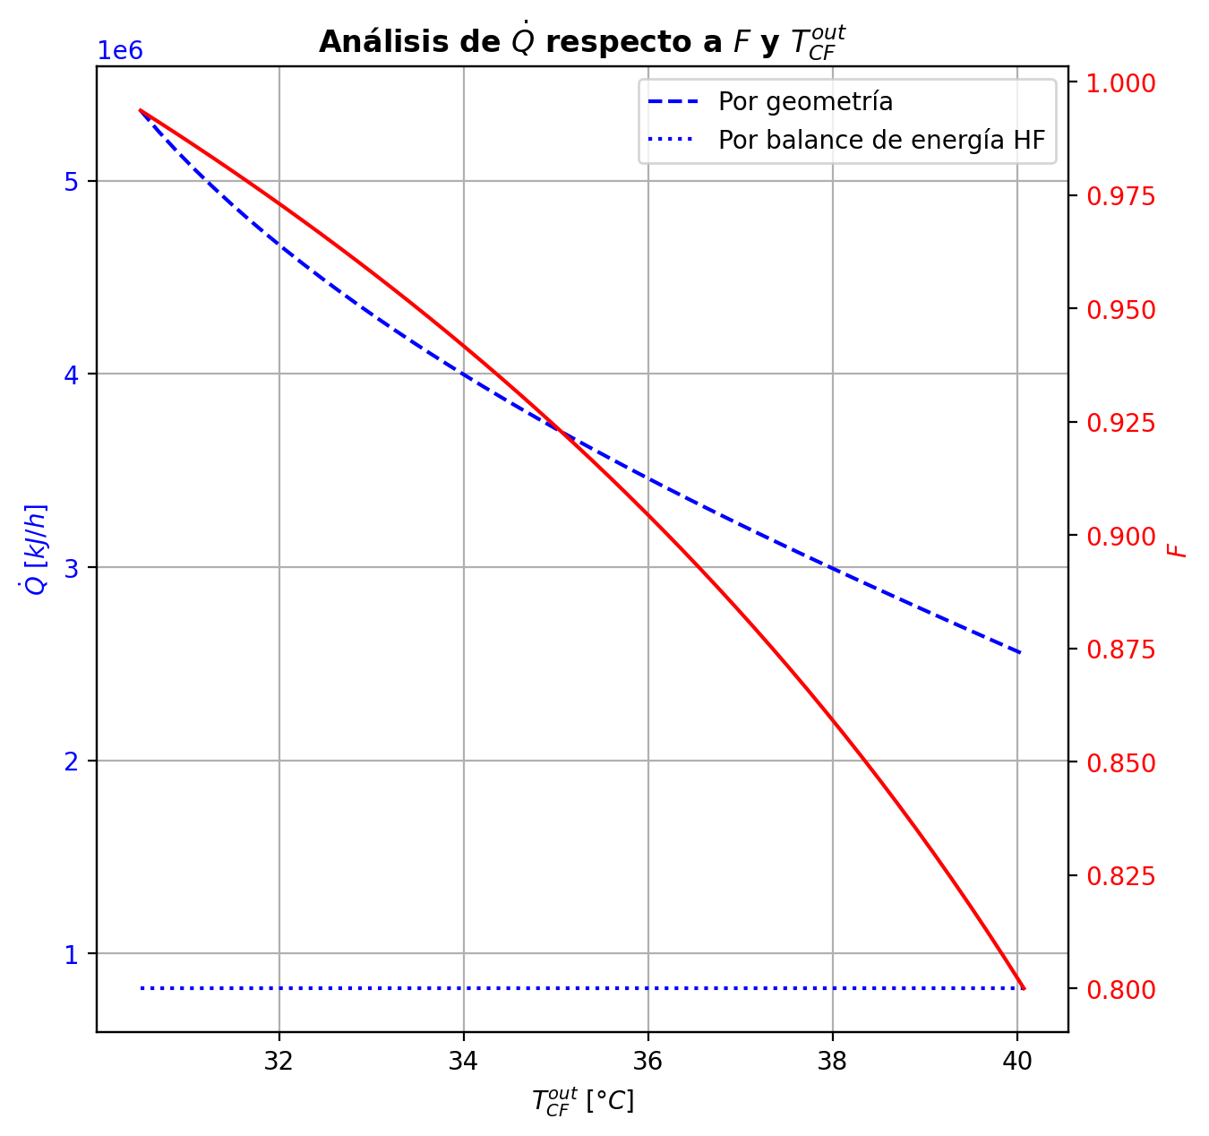
Etapas |  |  |  |  |  |  |  |  |  |  |  |  |  |  |  |  |  |  |  |  |  |  |  |  |  |  |  |  |  |  |  |  |  |  |  |  |  |  |  |  |  |  |  |  |  |  |  |  |  |  |  |  | Real | Simulación T [°C] |  | Ubicación
Ubicación de etapa |  |  |  | Flujos (cumplir balances de matería y energía ME) |  |  |  |  |  | Área R | Transferencia de masa RM |  |  |  |  |  |  |  |  |  |  |  |  |  |  |  |  |  |  | Transferencia de energía RE, cumplir equilibrio Q |  |  |  |  |  |  |  |  |  |  |  |  |  |  |  |  |  | Hidráulica H |  |  |  |  |  | g | l | Etapa | Posición [m]
Zona | s | z top [m] | z lower [m] | Fg [kmol/h] | Fl [kmol/h] | V [kmol/h] | L [kmol/h] | Vb [kmol/h] | Lb [kmol/h] | aefAtrZ [m2] | ya molar en Fg | xa molar en Fl | ya molar en V | yab molar | yaI molar | xaI molar | xab molar | xa molar en L | kbmg [m/h] | kbml [m/h] | Na [kmol/h] | Nw [kmol/h] | Nt [kmol/h] | Jag [kmol/h] | Γg,b≈1 | Ntyab [kmol/h] | Jal [kmol/h] | Γl,b | Ntxab [kmol/h] | Tg en Fg [°C] | Tl en Fl [°C] | Tg [°C] | Tg,b [°C] | TI [°C] | Tl,b [°C] | Tl [°C] | khg [kJ/h·m2·°C] | khl [kJ/h·m2·°C] | E [kJ/h] | Qg [kJ/h] | ΣNiĥig,b [kJ/h] | Ql [kJ/h] | ΣNiĥil,b [kJ/h] | hg en Fg [kJ/kmol] | hl en Fl [kJ/kmol] | hg en V [kJ/kmol] | hl en L [kJ/kmol] | P en Fg [bar] | P en Fl [bar] | P [bar] |  | TT1 [°C] | 199.0349 | - | 197.31557871 | 32 | 10.2497
Rectificación | 2 | 9.6416 | 9.6101 | - | - | 37.28448329 | 29.192166714 | 37.28448329 | 29.192166714 | 2.544348801 | - | - | 0.9594946709 | 0.9594946709 | 0.9998520017 | 0.93188905818 | 0.95015967753 | 0.95015967753 | 4.7077540883 | 0.16579012334 | -0.92869638069 | 0.2448075402 | -0.68388884049 | -0.27250868275 | 1 | -0.65618769794 | -0.27889278054 | 1.0216878076 | -0.64980360015 | - | - | 75.593276648 | 75.593276648 | 41.07838389 | 40.837119336 | 40.837119336 | 95.1836919 | 4278.8159391 | -9628.275454 | 8358.8344123 | -17987.109866 | 2626.5990038 | -12254.874458 | - | - | -53104.529281 | -77288.233481 | - | - | 14.7038403 |  | TT2 [°C] | 196.2239 | 197.07769575 | 197.00408642 | 25 | 8.7696
Rectificación | 3 | 9.6101 | 9.5786 | - | - | 36.60059445 | 28.389712345 | 36.60059445 | 28.389712345 | 2.5433443654 | - | - | 0.9520491994 | 0.9520491994 | 0.99981013009 | 0.91732677132 | 0.93898383628 | 0.93898383628 | 4.6922453232 | 0.16040090301 | -1.0797387024 | 0.27728433368 | -0.80245436868 | -0.3157626631 | 1 | -0.76397603926 | -0.32624702081 | 1.0352188958 | -0.75349168155 | - | - | 80.309429549 | 80.309429549 | 41.802989551 | 41.619027504 | 41.619027504 | 93.015614321 | 4030.3337417 | -10141.150693 | 9109.4969504 | -19250.647644 | 1885.707855 | -12026.858548 | - | - | -54359.860543 | -79830.049701 | - | - | 14.703844386 |  | TT3 [°C] | 186.8522 | 196.55113803 | 196.37795834 | 24 | 5.5946
Rectificación | 4 | 9.5786 | 9.5471 | - | - | 35.798140081 | 27.51667232 | 35.798140081 | 27.51667232 | 2.5416958319 | - | - | 0.94322855502 | 0.94322855502 | 0.99975388518 | 0.90007618504 | 0.92563556888 | 0.92563556888 | 4.6559299104 | 0.15388685553 | -1.187070372 | 0.3140303472 | -0.87304002481 | -0.36359409093 | 1 | -0.82347628108 | -0.37895347199 | 1.053657609 | -0.80811690001 | - | - | 85.624588709 | 85.624588709 | 42.701173807 | 42.493188292 | 42.493188292 | 88.796755722 | 3873.7052912 | -13878.224078 | 9687.5719644 | -23565.796043 | 2047.7797452 | -15926.003823 | - | - | -55861.683211 | -82867.228458 | - | - | 14.703848402 |  | TT4 [°C] | 51.0726 | 161.08122789 | 152.78149557 | 9 | 3.9246
Rectificación | 5 | 9.5471 | 9.5156 | - | - | 34.925100056 | 26.571859634 | 34.925100056 | 26.571859634 | 2.5403767433 | - | - | 0.93281787359 | 0.93281787359 | 0.99967562984 | 0.87951309118 | 0.90963350578 | 0.90963350578 | 4.6249097237 | 0.14692065817 | -1.2997568023 | 0.35494411662 | -0.94481268567 | -0.4184186419 | 1 | -0.88133816038 | -0.44032352672 | 1.0778018724 | -0.85943327557 | - | - | 91.481997704 | 91.481997704 | 43.832593912 | 43.571998765 | 43.571998765 | 86.379852447 | 3705.1053335 | -18245.169036 | 10456.059767 | -28701.228803 | 2452.8162335 | -20697.98527 | - | - | -57655.456437 | -86500.364378 | - | - | 14.703852333 |  | TT5 [°C] | 90.9715 | 75.593276648 | - | 1 | 0
Rectificación | 6 | 9.5156 | 9.4841 | - | - | 33.98028737 | 25.55946342 | 33.98028737 | 25.55946342 | 2.5389141689 | - | - | 0.92050430374 | 0.92050430374 | 0.99956326835 | 0.85508847907 | 0.89042025979 | 0.89042025979 | 4.5895393717 | 0.13963088889 | -1.4119897755 | 0.39959356149 | -1.012396214 | -0.48007470341 | 1 | -0.93191507209 | -0.51053167561 | 1.108363454 | -0.90145809989 | - | - | 98.046900269 | 98.046900269 | 45.268895628 | 44.934005076 | 44.934005076 | 83.812690699 | 3525.9504483 | -23587.442982 | 11230.801972 | -34818.244955 | 2997.9688668 | -26585.411849 | - | - | -59795.484709 | -90849.441766 | - | - | 14.703856165
Rectificación | 7 | 9.4841 | 9.4526 | - | - | 32.967891156 | 24.486221458 | 32.967891156 | 24.486221458 | 2.5373521945 | - | - | 0.90594241681 | 0.90594241681 | 0.9993951288 | 0.82611349101 | 0.86731532202 | 0.86731532202 | 4.5499034339 | 0.13217604371 | -1.5213890099 | 0.44814704751 | -1.0732419624 | -0.54909359268 | 1 | -0.97229541727 | -0.59054981169 | 1.1460694724 | -0.93083919826 | - | - | 105.38523327 | 105.38523327 | 47.114288315 | 46.677190813 | 46.677190813 | 81.106751015 | 3338.0742705 | -30073.933314 | 11991.95027 | -42065.883583 | 3702.1590524 | -33776.092366 | - | - | -62347.184632 | -96059.611358 | - | - | 14.703859888 |  |  |  | Rectificación | Agotamiento |  | Simbología
Rectificación | 8 | 9.4526 | 8.9486 | - | - | 31.894649194 | 17.769630844 | 31.894649194 | 17.769630844 | 41.034660179 | - | - | 0.88872656379 | 0.88872656379 | 0.96643832763 | 0.43030118545 | 0.45797023807 | 0.45797023807 | 4.5062045969 | 0.11930854584 | -13.099312981 | 6.3827223671 | -6.7165906137 | -7.1301004843 | 1 | -5.9692124965 | -10.023314378 | 1.6766263249 | -3.0759986024 | - | - | 113.55701268 | 113.55701268 | 95.876107816 | 95.503700799 | 95.503700799 | 78.277536233 | 2233.2182046 | -918099.08411 | 56792.694822 | -974891.77893 | 34127.136991 | -952226.2211 | - | - | -65388.056708 | -184035.11191 | - | - | 14.703863494 |  | Transferencia de masa | Na [kmol/h] | -27.596160993 | -8.1745183189 |  | l-v
Rectificación | 9 | 8.9486 | 8.4446 | - | - | 25.17805858 | 17.485499739 | 25.17805858 | 17.485499739 | 38.939335407 | - | - | 0.60553949988 | 0.60553949988 | 0.67662665975 | 0.16074022734 | 0.17304632243 | 0.17304632243 | 4.03656048 | 0.18676187206 | -5.1121606425 | 4.8280295372 | -0.28413110525 | -4.9401080351 | 1 | -0.17205260737 | -5.0629927996 | 1.2235656553 | -0.049167842852 | - | - | 161.08122789 | 161.08122789 | 153.51736382 | 152.78149557 | 152.78149557 | 60.189984623 | 2490.6119302 | -925620.66496 | 17727.866916 | -943348.53188 | 71366.543725 | -996987.20869 | - | - | -119295.46532 | -239962.06735 | - | - | 14.70391409 |  |  | Nw [kmol/h] | 15.465768134 | 11.855916017 |  | v-l
Rectificación | 10 | 8.4446 | 7.9406 | - | - | 24.893927475 | 17.684664577 | 24.893927475 | 17.684664577 | 38.955389424 | - | - | 0.40709319043 | 0.40709319043 | 0.42995622657 | 0.082072136261 | 0.085706510509 | 0.085706510509 | 4.1605795265 | 0.2056538694 | -1.5101105353 | 1.7092753728 | 0.19916483756 | -1.5911891844 | 1 | 0.081078649143 | -1.5271802585 | 1.1183551516 | 0.017069723243 | - | - | 176.3401435 | 176.3401435 | 174.05262176 | 173.77116916 | 173.77116916 | 58.156551504 | 2781.384565 | -340869.13628 | 5182.4059297 | -346051.54221 | 30495.365912 | -371364.50219 | - | - | -157839.65319 | -256534.45575 | - | - | 14.703955046 |  |  | Nt [kmol/h] | -12.130392858 | 3.6813976985
Rectificación | 11 | 7.9406 | 7.9091 | - | - | 25.093092313 | 17.733742209 | 25.093092313 | 17.733742209 | 2.439837509 | - | - | 0.34368174777 | 0.34368174777 | 0.38247815844 | 0.070813234576 | 0.076771636057 | 0.076771636057 | 4.2477262847 | 0.20875177731 | -0.15424248757 | 0.20332012026 | 0.049077632698 | -0.17110957415 | 1 | 0.016867086582 | -0.15801025772 | 1.1087800838 | 0.003767770156 | - | - | 180.8090523 | 180.8090523 | 177.19441079 | 176.59426068 | 176.59426068 | 58.184117782 | 2826.6713598 | -41671.146787 | 513.13376121 | -42184.280548 | 4139.0065438 | -45810.153331 | - | - | -170171.05594 | -258174.32638 | - | - | 14.703997353 |  |  | Jag [kmol/h] | -16.527722708 | -9.0754137929
Rectificación | 12 | 7.9091 | 7.8776 | - | - | 25.142169945 | 17.748423123 | 25.142169945 | 17.748423123 | 2.4420546348 | - | - | 0.33687606733 | 0.33687606733 | 0.36274977909 | 0.066370602401 | 0.070536079545 | 0.070536079545 | 4.2615187989 | 0.20967485386 | -0.10954421765 | 0.1242251309 | 0.014680913252 | -0.11448986597 | 1 | 0.0049456483211 | -0.11057975172 | 1.1022552527 | 0.0010355340649 | - | - | 181.25007294 | 181.25007294 | 178.44566198 | 178.12355066 | 178.12355066 | 58.252828458 | 2850.4677493 | -24756.534563 | 398.94593913 | -25155.480502 | 2242.2162598 | -26998.750823 | - | - | -171496.3017 | -259355.6313 | - | - | 14.704000072 |  |  | Ntyab [kmol/h] | -11.068438284 | 0.90089547396
Rectificación | 13 | 7.8776 | 7.8461 | - | - | 25.156850859 | 17.752745923 | 25.156850859 | 17.752745923 | 2.4434279242 | - | - | 0.33232502608 | 0.33232502608 | 0.34954790038 | 0.063467650662 | 0.066300946144 | 0.066300946144 | 4.2681873962 | 0.21000703515 | -0.074880333813 | 0.079203134315 | 0.0043228005017 | -0.076316908602 | 1 | 0.0014365747894 | -0.075166939576 | 1.0977682923 | 0.00028660576325 | - | - | 181.59257248 | 181.59257248 | 179.26643485 | 179.06869004 | 179.06869004 | 58.255253313 | 2864.9296537 | -15504.054229 | 331.10827538 | -15835.162504 | 1384.2628931 | -16888.317122 | - | - | -172380.3079 | -260165.81085 | - | - | 14.704002803 |  |  | Jal [kmol/h] | -19.589580996 | -8.5261249496
Rectificación | 14 | 7.8461 | 7.8146 | - | - | 25.161173659 | 17.752702434 | 25.161173659 | 17.752702434 | 2.444350222 | - | - | 0.32929190411 | 0.32929190411 | 0.34068431722 | 0.061548568554 | 0.063454774794 | 0.063454774794 | 4.2722994723 | 0.21013712784 | -0.050530116429 | 0.050486627356 | -4.3489072814E-05 | -0.050515795829 | 1 | -1.4320599595E-05 | -0.05052735684 | 1.0947018655 | -2.7595893214E-06 | - | - | 181.87671932 | 181.87671932 | 179.81031219 | 179.68248108 | 179.68248108 | 58.242399635 | 2874.0738413 | -9686.6892569 | 294.18368312 | -9980.87294 | 898.04468084 | -10584.733938 | - | - | -172966.88183 | -260712.09408 | - | - | 14.704005538 |  |  | Ntxab [kmol/h] | -8.0065799965 | 0.35160663075
Rectificación | 15 | 7.8146 | 7.7831 | - | - | 25.16113017 | 17.750105302 | 25.16113017 | 17.750105302 | 2.4449863345 | - | - | 0.32728421227 | 0.32728421227 | 0.3347460364 | 0.060275856004 | 0.061551557963 | 0.061551557963 | 4.2752074683 | 0.21017635416 | -0.033947099565 | 0.031349967848 | -0.0025971317178 | -0.033097099357 | 1 | -0.00085000020842 | -0.033787242062 | 1.0926225246 | -0.00015985750347 | - | - | 182.12918399 | 182.12918399 | 180.17153984 | 180.08745809 | 180.08745809 | 58.225034212 | 2879.779023 | -5815.2996103 | 278.68907261 | -6093.9886829 | 592.02131898 | -6407.3209293 | - | - | -173352.16705 | -261077.8611 | - | - | 14.704008277 |  | Transferencia de energía | E [kJ/h] | -2390747.1539 | -2475472.22
Rectificación | 16 | 7.7831 | 7.7516 | - | - | 25.158533038 | 17.745662696 | 25.158533038 | 17.745662696 | 2.4454313906 | - | - | 0.32596867056 | 0.32596867056 | 0.33078027335 | 0.059431581881 | 0.06028262328 | 0.06028262328 | 4.2774530803 | 0.21016427195 | -0.022791536208 | 0.018348929974 | -0.0044426062337 | -0.02134338576 | 1 | -0.0014481504479 | -0.02252372425 | 1.0912218436 | -0.00026781195797 | - | - | 182.3684264 | 182.3684264 | 180.41139389 | 180.3557964 | 180.3557964 | 58.205263454 | 2883.1546177 | -3170.3485072 | 278.55809427 | -3448.9066014 | 391.99323994 | -3562.3417471 | - | - | -173601.20852 | -261321.87649 | - | - | 14.704011019 |  |  | Qg [kJ/h] | 142632.30183 | 19293.79677
Agotamiento | 17 | 6.8706 | 6.8041 | - | 34.003290416 | 25.154090432 | 53.631490468 | 25.154090432 | 53.631490468 | 4.3327105799 | - | 0.209146 | 0.325120165 | 0.325120165 | 0.56135392505 | 0.11866613282 | 0.12935107663 | 0.12935107663 | 4.2793233893 | 0.59055950479 | -1.2441162434 | 3.1266535994 | 1.882537356 | -1.8561670992 | 1 | 0.61205085579 | -1.4876244772 | 1.1671075003 | 0.24350823378 | - | 120.22981327 | 182.60768339 | 182.60768339 | 164.185308 | 161.56606438 | 161.56606438 | 58.18330873 | 7958.3036754 | -689471.4693 | 4644.1230892 | -694115.59239 | 90314.208844 | -779785.67815 | - | -235130.05575 | -173757.9063 | -248398.78212 | - | 18.6326 | 14.704013761 |  |  | ΣNiĥig,b [kJ/h] | -2533379.4557 | -2494766.0167
Agotamiento | 18 | 6.8041 | 6.7376 | - | - | 27.036627788 | 54.191795199 | 27.036627788 | 54.191795199 | 4.3817106271 | - | - | 0.25646637009 | 0.25646637009 | 0.4545104282 | 0.088247714221 | 0.099309049198 | 0.099309049198 | 4.6524301641 | 0.62885396048 | -1.5555553775 | 2.1158601087 | 0.56030473117 | -1.699254698 | 1 | 0.14369932055 | -1.6111987076 | 1.1316836532 | 0.055643330113 | - | - | 186.33911561 | 186.33911561 | 172.3493232 | 171.17951487 | 171.17951487 | 62.1024804 | 8415.4271871 | -437133.90081 | 3806.8337368 | -440940.73455 | 43135.473598 | -480269.37441 | - | - | -187160.6769 | -253896.93709 | - | - | 14.704021431 |  |  | Ql [kJ/h] | 161349.62232 | 250900.27787
Agotamiento | 19 | 6.7376 | 6.6711 | - | - | 27.596932519 | 54.529646671 | 27.596932519 | 54.529646671 | 4.4038858091 | - | - | 0.19489232751 | 0.19489232751 | 0.35501305077 | 0.064662836294 | 0.073942645381 | 0.073942645381 | 4.7948132571 | 0.64832071316 | -1.349669329 | 1.6875208013 | 0.33785147227 | -1.4155139888 | 1 | 0.065844659783 | -1.3746509606 | 1.1053882428 | 0.024981631606 | - | - | 189.33810169 | 189.33810169 | 178.92831616 | 178.11780974 | 178.11780974 | 63.078030496 | 8751.4069386 | -344503.8443 | 2891.7181175 | -347395.56242 | 31237.076978 | -375740.92128 | - | - | -199200.67039 | -258641.59263 | - | - | 14.704030155 |  |  | ΣNiĥil,b [kJ/h] | -2552096.7762 | -2726372.4978
Agotamiento | 20 | 6.6711 | 6.6046 | - | - | 27.934783991 | 54.787562102 | 27.934783991 | 54.787562102 | 4.422402236 | - | - | 0.14422023392 | 0.14422023392 | 0.2678828097 | 0.046599861312 | 0.053915177686 | 0.053915177686 | 4.8902572903 | 0.66047838641 | -1.0781851808 | 1.3361006115 | 0.25791543071 | -1.1153818046 | 1 | 0.037196623748 | -1.0920907371 | 1.0833375345 | 0.013905556275 | - | - | 191.58331085 | 191.58331085 | 184.07522146 | 183.47166321 | 183.47166321 | 63.694205673 | 9027.5571574 | -272680.38647 | 2114.8891116 | -274795.27558 | 24096.151311 | -296776.53778 | - | - | -209123.91178 | -262401.07236 | - | - | 14.704039257
Agotamiento | 21 | 6.6046 | 6.5381 | - | - | 28.192699422 | 54.982781725 | 28.192699422 | 54.982781725 | 4.4385766001 | - | - | 0.10465744542 | 0.10465744542 | 0.19680931986 | 0.033177888302 | 0.03873644841 | 0.03873644841 | 4.9633279414 | 0.66805029463 | -0.82404345801 | 1.0192630807 | 0.19521962273 | -0.84447464502 | 1 | 0.02043118701 | -0.83160557285 | 1.0643968866 | 0.0075621148444 | - | - | 193.19863858 | 193.19863858 | 187.92897475 | 187.48896979 | 187.48896979 | 64.264522953 | 9249.3046965 | -208188.3182 | 1503.13476 | -209691.45296 | 18063.852858 | -226252.17105 | - | - | -216882.80352 | -265255.82933 | - | - | 14.7040486 |  | Hidráulica | ΔP [bar] en C-1 | 0.12364134253
Agotamiento | 22 | 6.5381 | 6.4716 | - | - | 28.387919045 | 55.125561177 | 28.387919045 | 55.125561177 | 4.4517856158 | - | - | 0.074909768466 | 0.074909768466 | 0.14192460854 | 0.023436898175 | 0.027552193295 | 0.027552193295 | 5.0180698858 | 0.67261135277 | -0.61100757066 | 0.75378702343 | 0.14277945277 | -0.62170314641 | 1 | 0.010695575749 | -0.61494145774 | 1.0485726953 | 0.0039338870812 | - | - | 194.32504601 | 194.32504601 | 190.72356829 | 190.41062679 | 190.41062679 | 64.79128759 | 9421.098454 | -154070.38662 | 1038.7991512 | -155109.18577 | 13124.988565 | -167195.37519 | - | - | -222725.02601 | -267363.69549 | - | - | 14.704058122

Agotamiento | 23 | 6.4716 | 5.4076 | - | - | 28.530698498 | 55.295514422 | 28.530698498 | 55.295514422 | 71.519419383 | - | - | 0.05311909459 | 0.05311909459 | 0.059610754167 | 0.0096038721372 | 0.010013101005 | 0.010013101005 | 5.0576716614 | 0.67568230973 | -0.965150546 | 1.1351037905 | 0.16995324452 | -0.97417830847 | 1 | 0.0090277624718 | -0.96685230501 | 1.019504857 | 0.0017017590036 | - | - | 195.0876661 | 195.0876661 | 194.65869694 | 194.63141577 | 194.63141577 | 65.255197891 | 9691.2644379 | -229953.56218 | 2002.0050543 | -231955.56723 | 18908.944631 | -248862.50681 | - | - | -227010.57931 | -270700.57076 | - | - | 14.704067777
Agotamiento | 24 | 5.4076 | 4.3436 | - | - | 28.700651742 | 55.384940371 | 28.700651742 | 55.384940371 | 71.69377269 | - | - | 0.01917637032 | 0.01917637032 | 0.021526212541 | 0.0034388308761 | 0.0035897016966 | 0.0035897016966 | 5.1138489089 | 0.67792992016 | -0.35486415664 | 0.44429010578 | 0.089425949142 | -0.35657902175 | 1 | 0.0017148651169 | -0.35518516912 | 1.0072588642 | 0.00032101248135 | - | - | 196.55113803 | 196.55113803 | 196.38907428 | 196.37795834 | 196.37795834 | 65.982698355 | 9809.1780151 | -91022.951484 | 766.65044645 | -91789.60193 | 7817.3634568 | -98840.314941 | - | - | -233678.45499 | -271906.95097 | - | - | 14.704223578
Agotamiento | 25 | 4.3436 | 3.2796 | - | - | 28.790077691 | 55.415567969 | 28.790077691 | 55.415567969 | 71.768545877 | - | - | 0.0067908871832 | 0.0067908871832 | 0.0076338712755 | 0.0012164385491 | 0.0012710676502 | 0.0012710676502 | 5.1392227977 | 0.6786413632 | -0.12837847865 | 0.15900607637 | 0.030627597716 | -0.12858646721 | 1 | 0.00020798856078 | -0.1284174084 | 1.0026056801 | 3.8929748658E-05 | - | - | 197.07769575 | 197.07769575 | 197.00805004 | 197.00408642 | 197.00408642 | 66.378092837 | 9852.4990501 | -32483.343804 | 331.78232891 | -32815.126133 | 2802.6745857 | -35286.01839 | - | - | -236114.22591 | -272342.8481 | - | - | 14.704381464
Agotamiento | 26 | 3.2796 | 3.2131 | - | - | 28.820705289 | 55.423631067 | 28.820705289 | 55.423631067 | 4.4867622251 | - | - | 0.0023292868884 | 0.0023292868884 | 0.0045995614406 | 0.00073255866315 | 0.00088004279152 | 0.00088004279152 | 5.1484510814 | 0.67891099089 | -0.02166176876 | 0.029724867483 | 0.0080630987239 | -0.021680550029 | 1 | 1.8781270137E-05 | -0.021668864631 | 1.0018081394 | 7.0958719093E-06 | - | - | 197.29839991 | 197.29839991 | 197.14281076 | 197.13006418 | 197.13006418 | 66.520654932 | 9860.9973371 | -6179.1862929 | 46.43750619 | -6225.6237991 | 563.95911298 | -6743.1454059 | - | - | -236990.39226 | -272414.71742 | - | - | 14.704540341
Agotamiento | 27 | 3.2131 | 3.1466 | - | - | 28.828768388 | 55.42675554 | 28.828768388 | 55.42675554 | 4.4872335383 | - | - | 0.0015772412325 | 0.0015772412325 | 0.0031629350782 | 0.00050363307553 | 0.00060675190185 | 0.00060675190185 | 5.1504471425 | 0.67896019658 | -0.015144877663 | 0.018269350249 | 0.0031244725851 | -0.01514980571 | 1 | 4.9280469912E-06 | -0.015146773443 | 1.0012486754 | 1.8957796833E-06 | - | - | 197.32890545 | 197.32890545 | 197.20630399 | 197.19930255 | 197.19930255 | 66.553483567 | 9865.9365848 | -3719.5057907 | 36.613825646 | -3756.1196163 | 309.95921255 | -4029.4650032 | - | - | -237138.44955 | -272466.46776 | - | - | 14.704550294
Agotamiento | 28 | 3.1466 | 3.0801 | - | - | 28.83189286 | 55.428575061 | 28.83189286 | 55.428575061 | 4.4875066703 | - | - | 0.001051788194 | 0.001051788194 | 0.0021592980275 | 0.00034376865704 | 0.00041582770342 | 0.00041582770342 | 5.1514267032 | 0.6789798461 | -0.010581552266 | 0.012401073239 | 0.0018195209728 | -0.010583466017 | 1 | 1.9137506779E-06 | -0.010582308873 | 1.0008567436 | 7.5660722742E-07 | - | - | 197.3529181 | 197.3529181 | 197.25063211 | 197.24592011 | 197.24592011 | 66.570107432 | 9869.2756362 | -2507.5552697 | 30.55628401 | -2538.1115537 | 208.68712726 | -2716.242397 | - | - | -237241.75783 | -272502.76307 | - | - | 14.704560252
Agotamiento | 29 | 3.0801 | 3.0136 | - | - | 28.833712381 | 55.429656118 | 28.833712381 | 55.429656118 | 4.4876910551 | - | - | 0.00068473639447 | 0.00068473639447 | 0.0014582082421 | 0.00023212646084 | 0.0002824684952 | 0.0002824684952 | 5.1520861376 | 0.67899018355 | -0.0073916055181 | 0.0084726621274 | 0.0010810566093 | -0.0073923457568 | 1 | 7.4023880485E-07 | -0.0073919108825 | 1.0005824471 | 3.0536443365E-07 | - | - | 197.37293724 | 197.37293724 | 197.28158851 | 197.27831507 | 197.27831507 | 66.580167472 | 9871.5719107 | -1700.6000685 | 27.294197847 | -1727.8942663 | 145.01510643 | -1845.6151749 | - | - | -237313.75303 | -272528.12871 | - | - | 14.704570212
Agotamiento | 30 | 3.0136 | 2.9471 | - | - | 28.834793438 | 55.43020727 | 28.834793438 | 55.43020727 | 4.487817724 | - | - | 0.0004283674431 | 0.0004283674431 | 0.00096852317717 | 0.00015416345847 | 0.00018932787476 | 0.00018932787476 | 5.1525609653 | 0.67899477704 | -0.0051626482135 | 0.0057138003784 | 0.00055115216489 | -0.0051628843091 | 1 | 2.3609564363E-07 | -0.0051627525619 | 1.0003906113 | 1.0434846805E-07 | - | - | 197.39080791 | 197.39080791 | 197.30321101 | 197.30092663 | 197.30092663 | 66.58585832 | 9873.1403052 | -1132.2630068 | 26.176162006 | -1158.4391688 | 101.21802367 | -1233.4810305 | - | - | -237363.83317 | -272545.84574 | - | - | 14.704580173
Agotamiento | 31 | 2.9471 | 2.8806 | 28.835488131 | - | 28.83534459 | 55.43035081 | 28.83534459 | 55.43035081 | 4.4879041464 | 0.00012428132665 | - | 0.00024932036104 | 0.00024932036104 | 0.00062652721938 | 9.972131474E-05 | 0.00012428132665 | 0.00012428132665 | 5.152913963 | 0.67899502688 | -0.0036055258045 | 0.0037490662603 | 0.00014354045579 | -0.003605561592 | 1 | 3.5787558261E-08 | -0.0036055436439 | 1.0002565113 | 1.7839398273E-08 | 197.73384733 | - | 197.40794007 | 197.40794007 | 197.3183174 | 197.31672188 | 197.31672188 | 66.588268989 | 9874.1934044 | -724.94636181 | 26.782997939 | -751.72935975 | 70.704461376 | -795.65082319 | -237422.52177 | - | -237398.56275 | -272558.21848 | 14.827481643 | - | 14.704590136

